Step 1.3
Frequency | vm(vout) | ph(v(vout))
Hz | Volts | deg
1 | 1.5000001719 | -0.036069273584 | 3.5218261766
1.0230597298 | 1.500000158 | -0.036901021059 | 3.521826096
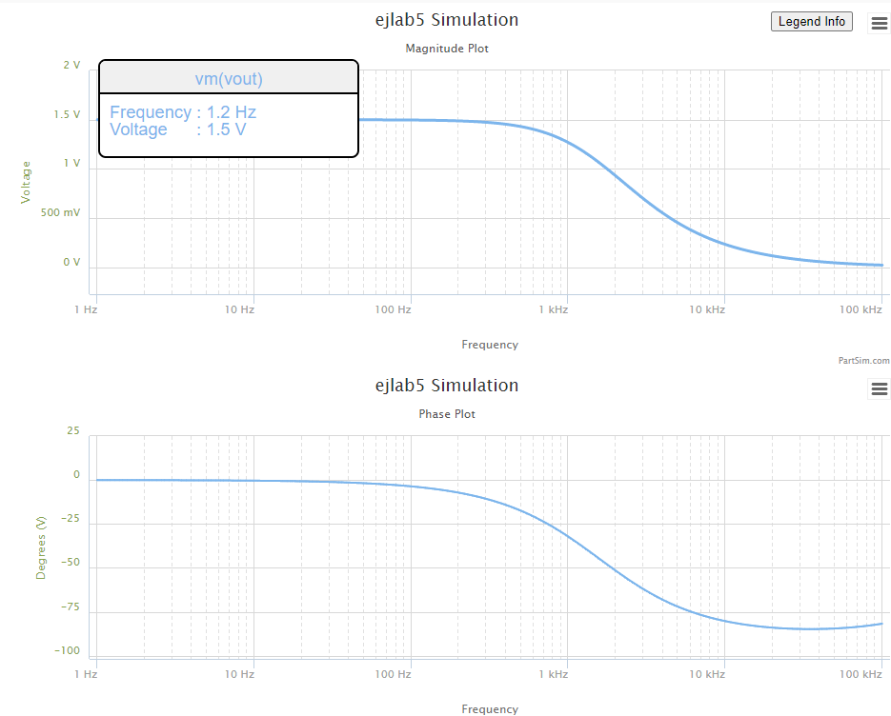
1.0466512108 | 1.5000001434 | -0.037751948391 | 3.5218260116
1.070786705 | 1.5000001282 | -0.038622497859 | 3.5218259233
1.0954787571 | 1.5000001122 | -0.039513121945 | 3.5218258309
1.1207402013 | 1.5000000955 | -0.040424283561 | 3.5218257341
1.1465841676 | 1.500000078 | -0.041356456297 | 3.5218256328
1.1730240887 | 1.5000000597 | -0.042310124662 | 3.5218255268
1.2000737073 | 1.5000000405 | -0.043285784337 | 3.5218254159
1.2277470828 | 1.5000000205 | -0.044283942434 | 3.5218252998
1.2560585988 | 1.4999999995 | -0.04530511776 | 3.5218251783
1.2850229708 | 1.4999999775 | -0.046349841082 | 3.5218250511
1.3146552533 | 1.4999999545 | -0.04741865541 | 3.5218249179
1.3449708483 | 1.4999999305 | -0.048512116274 | 3.5218247786
1.3759855127 | 1.4999999053 | -0.049630792012 | 3.5218246327
1.4077153669 | 1.4999998789 | -0.050775264072 | 3.5218244801
1.440176903 | 1.4999998513 | -0.051946127306 | 3.5218243203
1.4733869933 | 1.4999998225 | -0.053143990284 | 3.5218241531
1.5073628993 | 1.4999997922 | -0.054369475611 | 3.5218239781
1.5421222805 | 1.4999997606 | -0.055623220246 | 3.5218237949
1.5776832037 | 1.4999997275 | -0.056905875839 | 3.5218236031
1.6140641522 | 1.4999996928 | -0.058218109064 | 3.5218234025
1.6512840355 | 1.4999996566 | -0.059560601969 | 3.5218231924
1.6893621992 | 1.4999996186 | -0.060934052329 | 3.5218229726
1.7283184351 | 1.4999995789 | -0.062339174011 | 3.5218227425
1.7681729913 | 1.4999995373 | -0.063776697341 | 3.5218225016
1.8089465828 | 1.4999994937 | -0.065247369487 | 3.5218222496
1.8506604023 | 1.4999994482 | -0.066751954845 | 3.5218219857
1.8933361312 | 1.4999994005 | -0.06829123544 | 3.5218217096
1.9369959509 | 1.4999993506 | -0.069866011327 | 3.5218214206
1.9816625542 | 1.4999992983 | -0.07147710101 | 3.5218211181
2.0273591574 | 1.4999992437 | -0.073125341869 | 3.5218208015
2.0741095118 | 1.4999991864 | -0.07481159059 | 3.5218204701
2.1219379168 | 1.4999991265 | -0.076536723617 | 3.5218201233
2.170869232 | 1.4999990638 | -0.0783016376 | 3.5218197602
2.22092889 | 1.4999989982 | -0.080107249868 | 3.5218193803
2.2721429102 | 1.4999989296 | -0.081954498902 | 3.5218189826
2.3245379118 | 1.4999988577 | -0.083844344822 | 3.5218185664
2.3781411281 | 1.4999987824 | -0.085777769888 | 3.5218181307
2.43298042 | 1.4999987037 | -0.087755779011 | 3.5218176747
2.4890842912 | 1.4999986213 | -0.089779400271 | 3.5218171975
2.5464819025 | 1.499998535 | -0.091849685458 | 3.521816698
2.6052030873 | 1.4999984447 | -0.093967710612 | 3.5218161752
2.6652783666 | 1.4999983502 | -0.096134576587 | 3.521815628
2.7267389657 | 1.4999982513 | -0.098351409619 | 3.5218150552
2.7896168296 | 1.4999981478 | -0.10061936192 | 3.5218144558
2.8539446401 | 1.4999980395 | -0.10293961225 | 3.5218138284
2.9197558325 | 1.499997926 | -0.10531336658 | 3.5218131717
2.9870846132 | 1.4999978074 | -0.10774185867 | 3.5218124844
3.0559659774 | 1.4999976831 | -0.11022635072 | 3.521811765
3.1264357272 | 1.4999975531 | -0.11276813406 | 3.521811012
3.1985304905 | 1.499997417 | -0.11536852977 | 3.521810224
3.2722877395 | 1.4999972746 | -0.11802888942 | 3.5218093991
3.3477458107 | 1.4999971255 | -0.1207505957 | 3.5218085358
3.4249439247 | 1.4999969694 | -0.12353506323 | 3.5218076322
3.5039222063 | 1.4999968061 | -0.12638373922 | 3.5218066865
3.5847217058 | 1.4999966352 | -0.12929810426 | 3.5218056966
3.6673844199 | 1.4999964562 | -0.13227967307 | 3.5218046606
3.7519533138 | 1.499996269 | -0.13532999531 | 3.5218035762
3.8384723436 | 1.499996073 | -0.13845065636 | 3.5218024413
3.9269864789 | 1.4999958678 | -0.14164327815 | 3.5218012534
4.0175417262 | 1.4999956531 | -0.14490952002 | 3.52180001
4.110185153 | 1.4999954284 | -0.14825107956 | 3.5217987087
4.2049649122 | 1.4999951932 | -0.15166969352 | 3.5217973467
4.3019302671 | 1.499994947 | -0.15516713866 | 3.5217959211
4.4011316169 | 1.4999946893 | -0.15874523274 | 3.521794429
4.502620523 | 1.4999944196 | -0.16240583542 | 3.5217928674
4.6064497358 | 1.4999941373 | -0.16615084922 | 3.5217912328
4.7126732222 | 1.4999938419 | -0.16998222055 | 3.521789522
4.8213461936 | 1.4999935327 | -0.17390194068 | 3.5217877314
4.9325251343 | 1.499993209 | -0.17791204681 | 3.5217858573
5.0462678313 | 1.4999928703 | -0.18201462308 | 3.5217838957
5.1626334042 | 1.4999925157 | -0.18621180172 | 3.5217818427
5.2816823358 | 1.4999921446 | -0.19050576407 | 3.5217796938
5.4034765036 | 1.4999917562 | -0.19489874181 | 3.5217774447
5.528079212 | 1.4999913497 | -0.19939301804 | 3.5217750907
5.6555552251 | 1.4999909242 | -0.20399092851 | 3.5217726269
5.7859708007 | 1.4999904789 | -0.20869486282 | 3.5217700481
5.9193937243 | 1.4999900128 | -0.21350726566 | 3.5217673491
6.0558933444 | 1.4999895249 | -0.21843063806 | 3.5217645241
6.1955406089 | 1.4999890143 | -0.22346753875 | 3.5217615673
6.3384081015 | 1.4999884799 | -0.2286205854 | 3.5217584726
6.48457008 | 1.4999879205 | -0.23389245607 | 3.5217552335
6.6341025142 | 1.4999873351 | -0.23928589053 | 3.5217518434
6.7870831259 | 1.4999867223 | -0.24480369171 | 3.521748295
6.9435914292 | 1.4999860809 | -0.25044872716 | 3.5217445812
7.1037087717 | 1.4999854097 | -0.25622393055 | 3.5217406941
7.2675183769 | 1.4999847071 | -0.26213230314 | 3.5217366256
7.4351053873 | 1.4999839717 | -0.2681769154 | 3.5217323674
7.6065569088 | 1.4999832021 | -0.27436090857 | 3.5217279105
7.7819620562 | 1.4999823965 | -0.2806874963 | 3.5217232457
7.9614119989 | 1.4999815533 | -0.2871599663 | 3.5217183633
8.1450000087 | 1.4999806708 | -0.29378168207 | 3.5217132531
8.3328215085 | 1.4999797472 | -0.30055608466 | 3.5217079045
8.5249741213 | 1.4999787804 | -0.30748669438 | 3.5217023064
8.7215577214 | 1.4999777686 | -0.31457711272 | 3.5216964472
8.9226744863 | 1.4999767096 | -0.32183102415 | 3.5216903146
9.1284289494 | 1.4999756011 | -0.32925219808 | 3.521683896
9.3389280549 | 1.499974441 | -0.33684449077 | 3.5216771779
9.5542812129 | 1.4999732267 | -0.34461184735 | 3.5216701464
9.7746003565 | 1.4999719558 | -0.35255830389 | 3.521662787
10 | 1.4999706256 | -0.36068798944 | 3.5216550842
10.230597298 | 1.4999692333 | -0.36900512822 | 3.521647022
10.466512108 | 1.4999677761 | -0.37751404178 | 3.5216385838
10.70786705 | 1.499966251 | -0.38621915124 | 3.521629752
10.954787571 | 1.4999646546 | -0.39512497961 | 3.5216205081
11.207402013 | 1.4999629839 | -0.40423615408 | 3.521610833
11.465841676 | 1.4999612351 | -0.41355740849 | 3.5216007066
11.730240887 | 1.4999594048 | -0.4230935857 | 3.5215901079
12.000737073 | 1.4999574892 | -0.43284964018 | 3.5215790147
12.277470828 | 1.4999554841 | -0.44283064049 | 3.521567404
12.560585988 | 1.4999533856 | -0.45304177198 | 3.5215552517
12.850229708 | 1.4999511891 | -0.46348833943 | 3.5215425325
13.146552533 | 1.4999488902 | -0.47417576981 | 3.52152922
13.449708483 | 1.499946484 | -0.48510961508 | 3.5215152865
13.759855127 | 1.4999439657 | -0.49629555507 | 3.521500703
14.077153669 | 1.4999413298 | -0.50773940041 | 3.5214854392
14.40176903 | 1.499938571 | -0.51944709554 | 3.5214694635
14.733869933 | 1.4999356835 | -0.53142472179 | 3.5214527425
15.073628993 | 1.4999326613 | -0.54367850048 | 3.5214352415
15.421222805 | 1.4999294982 | -0.55621479619 | 3.5214169241
15.776832037 | 1.4999261875 | -0.56904012004 | 3.5213977523
16.140641522 | 1.4999227224 | -0.58216113299 | 3.5213776862
16.512840355 | 1.4999190956 | -0.59558464937 | 3.5213566841
16.893621992 | 1.4999152997 | -0.60931764031 | 3.5213347023
17.283184351 | 1.4999113267 | -0.62336723739 | 3.5213116952
17.681729913 | 1.4999071685 | -0.63774073631 | 3.5212876149
18.089465828 | 1.4999028163 | -0.65244560063 | 3.5212624114
18.506604023 | 1.499898261 | -0.66748946563 | 3.5212360322
18.933361312 | 1.4998934934 | -0.68288014224 | 3.5212084226
19.369959509 | 1.4998885033 | -0.69862562106 | 3.5211795252
19.816625542 | 1.4998832805 | -0.71473407646 | 3.5211492798
20.273591574 | 1.4998778141 | -0.7312138708 | 3.5211176237
20.741095118 | 1.4998720928 | -0.74807355875 | 3.5210844911
21.219379168 | 1.4998661047 | -0.76532189162 | 3.521049813
21.70869232 | 1.4998598372 | -0.78296782191 | 3.5210135175
22.2092889 | 1.4998532775 | -0.80102050788 | 3.5209755291
22.721429102 | 1.4998464118 | -0.81948931827 | 3.5209357688
23.245379118 | 1.4998392259 | -0.83838383706 | 3.5208941541
23.781411281 | 1.499831705 | -0.85771386844 | 3.5208505984
24.3298042 | 1.4998238332 | -0.87748944175 | 3.5208050112
24.890842912 | 1.4998155944 | -0.89772081669 | 3.5207572979
25.464819025 | 1.4998069714 | -0.91841848851 | 3.5207073592
26.052030873 | 1.4997979463 | -0.93959319338 | 3.5206550914
26.652783666 | 1.4997885003 | -0.96125591391 | 3.520600386
27.267389657 | 1.4997786138 | -0.98341788468 | 3.5205431292
27.896168296 | 1.4997682663 | -1.006090598 | 3.5204832022
28.539446401 | 1.4997574364 | -1.0292858098 | 3.5204204803
29.197558325 | 1.4997461014 | -1.0530155455 | 3.5203548334
29.870846132 | 1.499734238 | -1.0772921062 | 3.520286125
30.559659774 | 1.4997218214 | -1.102128075 | 3.5202142125
31.264357272 | 1.4997088258 | -1.1275363231 | 3.5201389464
31.985304905 | 1.4996952244 | -1.1535300166 | 3.5200601705
32.722877395 | 1.4996809889 | -1.1801226231 | 3.5199777211
33.477458107 | 1.4996660897 | -1.2073279184 | 3.519891427
34.249439247 | 1.4996504959 | -1.2351599933 | 3.5198011091
35.039222063 | 1.4996341751 | -1.2636332612 | 3.5197065797
35.847217058 | 1.4996170935 | -1.2927624648 | 3.5196076426
36.673844199 | 1.4995992157 | -1.3225626839 | 3.5195040924
37.519533138 | 1.4995805046 | -1.3530493427 | 3.5193957141
38.384723436 | 1.4995609213 | -1.3842382175 | 3.5192822827
39.269864789 | 1.4995404252 | -1.4161454449 | 3.5191635627
40.175417262 | 1.4995189739 | -1.4487875293 | 3.5190393078
41.10185153 | 1.4994965228 | -1.4821813517 | 3.5189092601
42.049649122 | 1.4994730254 | -1.5163441777 | 3.5187731497
43.019302671 | 1.4994484331 | -1.5512936661 | 3.5186306941
44.011316169 | 1.4994226947 | -1.5870478778 | 3.5184815978
45.02620523 | 1.4993957571 | -1.6236252843 | 3.5183255514
46.064497358 | 1.4993675643 | -1.6610447773 | 3.5181622313
47.126732222 | 1.4993380581 | -1.6993256776 | 3.5179912987
48.213461936 | 1.4993071772 | -1.7384877446 | 3.5178123991
49.325251343 | 1.4992748577 | -1.7785511861 | 3.5176251616
50.462678313 | 1.4992410326 | -1.819536668 | 3.5174291977
51.626334042 | 1.4992056321 | -1.861465324 | 3.5172241015
52.816823358 | 1.4991685828 | -1.9043587665 | 3.5170094476
54.034765036 | 1.499129808 | -1.9482390963 | 3.5167847912
55.28079212 | 1.4990892276 | -1.9931289137 | 3.5165496667
56.555552251 | 1.4990467575 | -2.0390513289 | 3.5163035871
57.859708007 | 1.49900231 | -2.0860299731 | 3.5160460424
59.193937243 | 1.4989557933 | -2.1340890099 | 3.5157764994
60.558933444 | 1.4989071111 | -2.1832531463 | 3.5154943997
61.955406089 | 1.4988561629 | -2.2335476446 | 3.5151991594
63.384081015 | 1.4988028435 | -2.2849983341 | 3.5148901673
64.8457008 | 1.4987470428 | -2.3376316227 | 3.5145667839
66.341025142 | 1.4986886456 | -2.3914745099 | 3.51422834
67.870831259 | 1.4986275314 | -2.4465545982 | 3.5138741356
69.435914292 | 1.4985635741 | -2.5029001064 | 3.513503438
71.037087717 | 1.4984966419 | -2.5605398821 | 3.5131154808
72.675183769 | 1.4984265969 | -2.6195034145 | 3.5127094621
74.351053873 | 1.4983532947 | -2.6798208481 | 3.5122845428
76.065569088 | 1.4982765843 | -2.7415229951 | 3.5118398449
77.819620562 | 1.498196308 | -2.80464135 | 3.5113744502
79.614119989 | 1.4981123005 | -2.8692081025 | 3.5108873977
81.450000087 | 1.4980243891 | -2.9352561518 | 3.510377682
83.328215085 | 1.4979323931 | -3.0028191205 | 3.5098442516
85.249741213 | 1.4978361235 | -3.0719313687 | 3.5092860061
87.215577214 | 1.4977353827 | -3.1426280088 | 3.5087017947
89.226744863 | 1.497629964 | -3.2149449194 | 3.5080904133
91.284289494 | 1.4975196512 | -3.2889187605 | 3.5074506023
93.389280549 | 1.4974042183 | -3.364586988 | 3.5067810444
95.542812129 | 1.4972834288 | -3.4419878686 | 3.5060803613
97.746003565 | 1.4971570358 | -3.5211604949 | 3.5053471116
100 | 1.4970247806 | -3.6021448004 | 3.5045797874
102.30597298 | 1.496886393 | -3.684981575 | 3.5037768119
104.66512108 | 1.4967415907 | -3.7697124797 | 3.5029365355
107.0786705 | 1.4965900781 | -3.8563800621 | 3.5020572333
109.54787571 | 1.4964315465 | -3.9450277719 | 3.5011371013
112.07402013 | 1.4962656733 | -4.0356999759 | 3.5001742527
114.65841676 | 1.4960921208 | -4.1284419734 | 3.4991667147
117.30240887 | 1.4959105367 | -4.2233000114 | 3.4981124242
120.00737073 | 1.4957205522 | -4.3203212996 | 3.4970092237
122.77470828 | 1.4955217822 | -4.4195540255 | 3.4958548577
125.60585988 | 1.4953138242 | -4.5210473695 | 3.4946469677
128.50229708 | 1.4950962576 | -4.6248515192 | 3.4933830879
131.46552533 | 1.4948686429 | -4.731017684 | 3.4920606404
134.49708483 | 1.4946305211 | -4.8395981095 | 3.4906769303
137.59855127 | 1.4943814124 | -4.9506460912 | 3.4892291405
140.77153669 | 1.4941208159 | -5.0642159882 | 3.4877143263
144.0176903 | 1.4938482082 | -5.180363236 | 3.4861294099
147.33869933 | 1.4935630427 | -5.2991443596 | 3.4844711746
150.73628993 | 1.4932647488 | -5.4206169856 | 3.4827362585
154.21222805 | 1.4929527305 | -5.5448398535 | 3.4809211484
157.76832037 | 1.4926263656 | -5.6718728266 | 3.4790221735
161.40641522 | 1.4922850044 | -5.8017769027 | 3.477035498
165.12840355 | 1.4919279691 | -5.9346142228 | 3.4749571147
168.93621992 | 1.4915545521 | -6.0704480799 | 3.4727828372
172.83184351 | 1.4911640148 | -6.2093429265 | 3.4705082922
176.81729913 | 1.4907555869 | -6.3513643809 | 3.4681289123
180.89465828 | 1.4903284645 | -6.4965792325 | 3.4656399268
185.06604023 | 1.4898818094 | -6.6450554455 | 3.4630363542
189.33361312 | 1.4894147472 | -6.7968621616 | 3.4603129925
193.69959509 | 1.4889263661 | -6.952069701 | 3.4574644106
198.16625542 | 1.4884157157 | -7.1107495615 | 3.4544849388
202.73591574 | 1.4878818051 | -7.2729744162 | 3.4513686589
207.41095118 | 1.487323602 | -7.4388181087 | 3.4481093941
212.19379168 | 1.4867400303 | -7.6083556469 | 3.4447006984
217.0869232 | 1.4861299695 | -7.781663194 | 3.4411358463
222.092889 | 1.4854922523 | -7.958818057 | 3.437407821
227.21429102 | 1.4848256634 | -8.1398986733 | 3.4335093035
232.45379118 | 1.4841289375 | -8.3249845931 | 3.4294326604
237.81411281 | 1.4834007579 | -8.5141564603 | 3.4251699316
243.298042 | 1.4826397548 | -8.7074959894 | 3.4207128182
248.90842912 | 1.4818445031 | -8.9050859384 | 3.4160526695
254.64819025 | 1.481013521 | -9.1070100795 | 3.4111804692
260.52030873 | 1.4801452682 | -9.313353164 | 3.4060868227
266.52783666 | 1.479238144 | -9.5242008846 | 3.4007619424
272.67389657 | 1.4782904854 | -9.7396398324 | 3.3951956342
278.96168296 | 1.4773005657 | -9.9597574492 | 3.3893772824
285.39446401 | 1.476266592 | -10.184641975 | 3.383295835
291.97558325 | 1.4751867042 | -10.41438239 | 3.3769397888
298.70846132 | 1.4740589727 | -10.649068351 | 3.370297174
305.59659774 | 1.472881397 | -10.888790122 | 3.3633555383
312.64357272 | 1.4716519037 | -11.133638499 | 3.3561019315
319.85304905 | 1.4703683452 | -11.383704726 | 3.348522889
327.22877395 | 1.4690284979 | -11.639080406 | 3.3406044164
334.77458107 | 1.4676300608 | -11.899857407 | 3.3323319725
342.49439247 | 1.466170654 | -12.166127754 | 3.3236904536
350.39222063 | 1.4646478177 | -12.437983519 | 3.3146641768
358.47217058 | 1.4630590106 | -12.715516699 | 3.3052368639
366.73844199 | 1.4614016094 | -12.99881909 | 3.2953916255
375.19533138 | 1.4596729072 | -13.287982143 | 3.2851109443
383.84723436 | 1.4578701136 | -13.583096822 | 3.2743766601
392.69864789 | 1.4559903538 | -13.884253443 | 3.263169954
401.75417262 | 1.4540306681 | -14.191541507 | 3.2514713333
411.0185153 | 1.4519880125 | -14.505049526 | 3.2392606173
420.49649122 | 1.4498592583 | -14.824864829 | 3.226516923
430.19302671 | 1.4476411931 | -15.151073367 | 3.2132186518
440.11316169 | 1.4453305214 | -15.483759501 | 3.1993434777
450.2620523 | 1.4429238661 | -15.823005782 | 3.184868335
460.64497358 | 1.4404177697 | -16.168892716 | 3.1697694083
471.26732222 | 1.4378086967 | -16.521498523 | 3.1540221232
482.13461936 | 1.4350930359 | -16.880898877 | 3.1376011386
493.25251343 | 1.4322671031 | -17.247166642 | 3.1204803399
504.62678313 | 1.4293271452 | -17.620371593 | 3.1026328347
516.26334042 | 1.4262693435 | -18.000580124 | 3.0840309497
528.16823358 | 1.4230898185 | -18.387854948 | 3.0646462299
540.34765036 | 1.4197846353 | -18.782254785 | 3.0444494398
552.8079212 | 1.4163498091 | -19.183834041 | 3.0234105673
565.55552251 | 1.4127813119 | -19.592642475 | 3.0014988296
578.59708007 | 1.4090750794 | -20.008724859 | 2.9786826825
591.93937243 | 1.405227019 | -20.432120628 | 2.9549298319
605.58933444 | 1.4012330186 | -20.862863523 | 2.9302072493
619.55406089 | 1.3970889558 | -21.300981231 | 2.9044811898
633.84081015 | 1.3927907079 | -21.746495012 | 2.8777172141
648.457008 | 1.3883341635 | -22.199419332 | 2.8498802142
663.41025142 | 1.3837152334 | -22.659761485 | 2.8209344425
678.70831259 | 1.3789298637 | -23.127521218 | 2.7908435454
694.35914292 | 1.3739740491 | -23.602690359 | 2.7595706012
710.37087717 | 1.3688438468 | -24.085252444 | 2.7270781617
726.75183769 | 1.3635353918 | -24.575182352 | 2.6933282989
743.51053873 | 1.358044912 | -25.072445942 | 2.6582826556
760.65569088 | 1.3523687449 | -25.576999709 | 2.6219025016
778.19620562 | 1.3465033544 | -26.088790445 | 2.584148793
796.14119989 | 1.3404453483 | -26.607754914 | 2.5449822383
814.50000087 | 1.3341914965 | -27.13381955 | 2.5043633668
833.28215085 | 1.3277387496 | -27.666900173 | 2.4622526035
852.49741213 | 1.3210842575 | -28.206901723 | 2.4186103477
872.15577214 | 1.3142253887 | -28.753718031 | 2.3733970559
892.26744863 | 1.3071597495 | -29.307231609 | 2.3265733293
912.84289494 | 1.2998852035 | -29.867313478 | 2.2781000046
933.89280549 | 1.2923998903 | -30.43382303 | 2.2279382495
955.42812129 | 1.284702245 | -31.006607923 | 2.1760496608
977.46003565 | 1.2767910164 | -31.585504027 | 2.1223963656
1000 | 1.268665285 | -32.170335401 | 2.0669411253
1023.0597298 | 1.2603244806 | -32.760914325 | 2.0096474417
1046.6512108 | 1.2517683981 | -33.357041376 | 1.9504796647
1070.786705 | 1.2429972134 | -33.95850555 | 1.8894031008
1095.4787571 | 1.2340114975 | -34.565084442 | 1.8263841222
1120.7402013 | 1.2248122288 | -35.176544476 | 1.761390276
1146.5841676 | 1.2154008049 | -35.792641182 | 1.6943903921
1173.0240887 | 1.2057790517 | -36.413119538 | 1.62535469
1200.0737073 | 1.1959492317 | -37.037714354 | 1.5542548828
1227.7470828 | 1.1859140488 | -37.666150719 | 1.4810642786
1256.0585988 | 1.1756766531 | -38.298144491 | 1.4057578786
1285.0229708 | 1.1652406411 | -38.933402846 | 1.3283124699
1314.6552533 | 1.1546100561 | -39.571624869 | 1.2487067135
1344.9708483 | 1.143789384 | -40.212502198 | 1.1669212274
1375.9855127 | 1.1327835484 | -40.855719704 | 1.0829386616
1407.7153669 | 1.1215979023 | -41.500956217 | 0.99674376741
1440.176903 | 1.1102382176 | -42.147885287 | 0.90832345843
1473.3869933 | 1.0987106726 | -42.796175972 | 0.81766686365
1507.3628993 | 1.0870218369 | -43.445493664 | 0.72476537176
1542.1222805 | 1.0751786534 | -44.095500926 | 0.62961266659
1577.6832037 | 1.0631884198 | -44.745858356 | 0.53220475319
1614.0641522 | 1.0510587662 | -45.396225455 | 0.43253997444 | 0.7007057638
1651.2840355 | 1.0387976319 | -46.046261511 | 0.33061901793
1689.3621992 | 1.0264132404 | -46.695626475 | 0.22644491314
1728.3184351 | 1.0139140728 | -47.343981836 | 0.12002301894
1768.1729913 | 1.0013088394 | -47.990991491 | 0.011361001407
1808.9465828 | 0.98860645114 | -48.636322591 | -0.099531197673
1850.6604023 | 0.97581598914 | -49.279646373 | -0.21264140147
1893.3361312 | 0.96294667437 | -49.920638964 | -0.32795524754
1936.9959509 | 0.95000783644 | -50.558982153 | -0.44545624563
1981.6625542 | 0.93700888245 | -51.194364134 | -0.56512584332
2027.3591574 | 0.92395926572 | -51.826480202 | -0.68694349899
2074.1095118 | 0.91086845496 | -52.455033416 | -0.81088676154
2121.9379168 | 0.89774590375 | -53.079735209 | -0.93693135611
2170.869232 | 0.88460102088 | -53.700305955 | -1.0650512753
2220.92889 | 0.87144314152 | -54.316475485 | -1.1952188751
2272.1429102 | 0.85828149946 | -54.92798355 | -1.3274049746
2324.5379118 | 0.8451252006 | -55.534580232 | -1.4615789594
2378.1411281 | 0.8319831978 | -56.136026303 | -1.5977088871
2432.98042 | 0.81886426731 | -56.732093526 | -1.7357615947
2489.0842912 | 0.80577698671 | -57.32256491 | -1.8757028077
2546.4819025 | 0.79272971463 | -57.907234903 | -2.0174972487
2605.2030873 | 0.77973057219 | -58.485909541 | -2.1611087468
2665.2783666 | 0.76678742627 | -59.058406543 | -2.3065003453
2726.7389657 | 0.75390787461 | -59.624555359 | -2.4536344087
2789.6168296 | 0.74109923272 | -60.18419717 | -2.6024727274
2853.9446401 | 0.72836852272 | -60.737184843 | -2.7529766201
2919.7558325 | 0.71572246387 | -61.28338285 | -2.9051070336
2987.0846132 | 0.70316746496 | -61.822667142 | -3.0588246391
3055.9659774 | 0.6907096184 | -62.354924985 | -3.2140899247
3126.4357272 | 0.67835469593 | -62.880054772 | -3.3708632847
3198.5304905 | 0.66610814601 | -63.397965796 | -3.5291051042
3272.2877395 | 0.65397509257 | -63.908577997 | -3.6887758398
3347.7458107 | 0.64196033533 | -64.411821687 | -3.8498360953
3424.9439247 | 0.63006835133 | -64.907637255 | -4.0122466936
3503.9222063 | 0.61830329777 | -65.395974844 | -4.1759687431
3584.7217058 | 0.60666901588 | -65.876794025 | -4.3409637001
3667.3844199 | 0.59516903596 | -66.350063448 | -4.5071934264
3751.9533138 | 0.58380658319 | -66.815760482 | -4.6746202416
3838.4723436 | 0.5725845844 | -67.273870859 | -4.8432069719
3926.9864789 | 0.56150567551 | -67.724388295 | -5.0129169936
4017.5417262 | 0.55057220958 | -68.167314117 | -5.1837142726
4110.185153 | 0.53978626551 | -68.602656892 | -5.3555633992
4204.9649122 | 0.52914965708 | -69.03043204 | -5.5284296196
4301.9302671 | 0.51866394244 | -69.450661472 | -5.7022788628
4401.1316169 | 0.50833043388 | -69.863373206 | -5.8770777638
4502.620523 | 0.49815020782 | -70.26860101 | -6.0527936833
4606.4497358 | 0.48812411496 | -70.666384033 | -6.2293947243
4712.6732222 | 0.47825279053 | -71.056766458 | -6.4068497451
4821.3461936 | 0.46853666456 | -71.439797149 | -6.5851283691
4932.5251343 | 0.45897597214 | -71.815529319 | -6.7642009925
5046.2678313 | 0.44957076364 | -72.184020199 | -6.9440387887
5162.6334042 | 0.44032091479 | -72.54533072 | -7.1246137103
5281.6823358 | 0.43122613658 | -72.899525206 | -7.3058984893
5403.4765036 | 0.42228598512 | -73.246671077 | -7.487866635
5528.079212 | 0.41349987112 | -73.586838564 | -7.6704924295
5655.5552251 | 0.40486706923 | -73.920100434 | -7.8537509222
5785.9708007 | 0.39638672715 | -74.246531725 | -8.0376179224
5919.3937243 | 0.38805787439 | -74.566209501 | -8.2220699904
6055.8933444 | 0.37987943082 | -74.879212604 | -8.4070844275
6195.5406089 | 0.37185021486 | -75.185621429 | -8.5926392647
6338.4081015 | 0.3639689514 | -75.485517711 | -8.7787132506
6484.57008 | 0.35623427942 | -75.778984309 | -8.9652858385
6634.1025142 | 0.34864475927 | -76.06610502 | -9.152337172
6787.0831259 | 0.34119887963 | -76.346964388 | -9.3398480712
6943.5914292 | 0.33389506419 | -76.621647533 | -9.5278000173
7103.7087717 | 0.32673167797 | -76.890239984 | -9.7161751372
7267.5183769 | 0.31970703337 | -77.152827528 | -9.904956188
7435.1053873 | 0.31281939589 | -77.40949606 | -10.09412654
7606.5569088 | 0.30606698957 | -77.660331452 | -10.283670162
7781.9620562 | 0.29944800209 | -77.905419421 | -10.473571603
7961.4119989 | 0.29296058968 | -78.144845412 | -10.663815978
8145.0000087 | 0.28660288162 | -78.378694491 | -10.854388947
8332.8215085 | 0.28037298459 | -78.607051234 | -11.045276705
8524.9741213 | 0.27426898669 | -78.829999637 | -11.23646596
8721.5577214 | 0.26828896125 | -79.047623025 | -11.42794392
8922.6744863 | 0.26243097035 | -79.260003971 | -11.619698275
9128.4289494 | 0.25669306815 | -79.46722422 | -11.811717181
9338.9280549 | 0.25107330398 | -79.669364617 | -12.003989246
9554.2812129 | 0.24556972525 | -79.866505046 | -12.196503513
9774.6003565 | 0.24018038006 | -80.058724369 | -12.389249446
10000 | 0.23490331976 | -80.246100373 | -12.582216911
10230.597298 | 0.22973660118 | -80.428709722 | -12.775396167
10466.512108 | 0.2246782888 | -80.606627909 | -12.968777849
10707.86705 | 0.2197264567 | -80.779929222 | -13.162352953
10954.787571 | 0.21487919033 | -80.948686701 | -13.356112822
11207.402013 | 0.21013458818 | -81.11297211 | -13.550049136
11465.841676 | 0.2054907633 | -81.272855905 | -13.744153893
11730.240887 | 0.20094584463 | -81.428407212 | -13.938419404
12000.737073 | 0.19649797831 | -81.579693798 | -14.132838271
12277.470828 | 0.19214532875 | -81.726782057 | -14.327403384
12560.585988 | 0.18788607969 | -81.86973699 | -14.522107904
12850.229708 | 0.1837184351 | -82.008622187 | -14.716945251
13146.552533 | 0.17964061998 | -82.143499821 | -14.911909095
13449.708483 | 0.17565088111 | -82.27443063 | -15.106993347
13759.855127 | 0.17174748768 | -82.401473913 | -15.302192141
14077.153669 | 0.16792873184 | -82.524687523 | -15.497499834
14401.76903 | 0.16419292917 | -82.644127856 | -15.692910987
14733.869933 | 0.16053841914 | -82.759849855 | -15.888420359
15073.628993 | 0.15696356539 | -82.871907 | -16.084022899
15421.222805 | 0.15346675606 | -82.980351311 | -16.279713736
15776.832037 | 0.15004640403 | -83.085233347 | -16.475488166
16140.641522 | 0.14670094704 | -83.186602205 | -16.67134165
16512.840355 | 0.14342884789 | -83.284505524 | -16.867269802
16893.621992 | 0.14022859446 | -83.378989484 | -17.06326838
17283.184351 | 0.13709869979 | -83.470098813 | -17.259333279
17681.729913 | 0.13403770208 | -83.557876788 | -17.455460525
18089.465828 | 0.13104416465 | -83.642365242 | -17.651646265
18506.604023 | 0.12811667588 | -83.723604563 | -17.847886761
18933.361312 | 0.12525384911 | -83.801633706 | -18.044178383
19369.959509 | 0.12245432253 | -83.876490197 | -18.240517601
19816.625542 | 0.11971675903 | -83.948210135 | -18.436900978
20273.591574 | 0.11703984603 | -84.016828202 | -18.633325164
20741.095118 | 0.11442229531 | -84.082377667 | -18.829786891
21219.379168 | 0.11186284276 | -84.144890395 | -19.026282964
21708.69232 | 0.1093602482 | -84.204396852 | -19.222810255
22209.2889 | 0.10691329513 | -84.260926112 | -19.4193657
22721.429102 | 0.10452079047 | -84.314505862 | -19.615946289
23245.379118 | 0.1021815643 | -84.365162412 | -19.81254906
23781.411281 | 0.099894469558 | -84.412920699 | -20.009171098
24329.8042 | 0.097658381821 | -84.457804296 | -20.205809523
24890.842912 | 0.095472198951 | -84.499835416 | -20.40246149
25464.819025 | 0.093334840821 | -84.539034919 | -20.599124177
26052.030873 | 0.091245249006 | -84.57542232 | -20.795794786
26652.783666 | 0.089202386471 | -84.609015795 | -20.992470532
27267.389657 | 0.087205237257 | -84.639832186 | -21.18914864
27896.168296 | 0.085252806162 | -84.667887006 | -21.385826339
28539.446401 | 0.083344118418 | -84.693194447 | -21.582500857
29197.558325 | 0.081478219371 | -84.715767386 | -21.779169413
29870.846132 | 0.079654174152 | -84.735617386 | -21.975829215
30559.659774 | 0.077871067356 | -84.752754707 | -22.17247745
31264.357272 | 0.076128002712 | -84.767188309 | -22.369111283
31985.304905 | 0.074424102759 | -84.778925854 | -22.565727848
32722.877395 | 0.072758508524 | -84.787973714 | -22.762324242
33477.458107 | 0.071130379191 | -84.794336976 | -22.958897522
34249.439247 | 0.069538891787 | -84.798019443 | -23.155444695
35039.222063 | 0.067983240857 | -84.799023643 | -23.351962717
35847.217058 | 0.066462638144 | -84.797350827 | -23.54844848
36673.844199 | 0.064976312276 | -84.793000981 | -23.744898813
37519.533138 | 0.063523508455 | -84.785972822 | -23.94131047
38384.723436 | 0.062103488139 | -84.776263807 | -24.137680126
39269.864789 | 0.060715528744 | -84.763870133 | -24.334004371
40175.417262 | 0.059358923331 | -84.748786746 | -24.5302797
41101.85153 | 0.058032980313 | -84.73100734 | -24.726502509
42049.649122 | 0.056737023156 | -84.710524361 | -24.922669085
43019.302671 | 0.055470390082 | -84.687329015 | -25.118775601
44011.316169 | 0.054232433785 | -84.661411266 | -25.314818106
45026.20523 | 0.053022521144 | -84.632759846 | -25.510792521
46064.497358 | 0.051840032941 | -84.601362254 | -25.706694623
47126.732222 | 0.050684363585 | -84.567204763 | -25.902520047
48213.461936 | 0.049554920837 | -84.530272427 | -26.098264266
49325.251343 | 0.048451125545 | -84.49054908 | -26.293922592
50462.678313 | 0.047372411377 | -84.448017346 | -26.48949016
51626.334042 | 0.046318224562 | -84.402658645 | -26.684961921
52816.823358 | 0.045288023633 | -84.354453196 | -26.88033263
54034.765036 | 0.044281279179 | -84.303380029 | -27.075596838
55280.79212 | 0.043297473592 | -84.249416985 | -27.27074888
56555.552251 | 0.042336100831 | -84.192540735 | -27.465782863
57859.708007 | 0.041396666179 | -84.132726777 | -27.660692655
59193.937243 | 0.040478686012 | -84.069949456 | -27.855471873
60558.933444 | 0.039581687567 | -84.004181972 | -28.050113871
61955.406089 | 0.038705208718 | -83.935396389 | -28.244611725
63384.081015 | 0.037848797754 | -83.863563653 | -28.438958221
64845.7008 | 0.037012013165 | -83.788653605 | -28.633145841
66341.025142 | 0.036194423425 | -83.710634997 | -28.827166745
67870.831259 | 0.035395606788 | -83.629475512 | -29.021012763
69435.914292 | 0.03461515108 | -83.545141782 | -29.214675371
71037.087717 | 0.033852653503 | -83.45759941 | -29.408145679
72675.183769 | 0.033107720434 | -83.366812995 | -29.601414414
74351.053873 | 0.032379967239 | -83.272746158 | -29.7944719
76065.569088 | 0.031669018079 | -83.17536157 | -29.987308041
77819.620562 | 0.030974505733 | -83.074620986 | -30.179912301
79614.119989 | 0.03029607141 | -82.970485275 | -30.372273684
81450.000087 | 0.02963336458 | -82.862914462 | -30.564380716
83328.215085 | 0.028986042798 | -82.751867767 | -30.756221418
85249.741213 | 0.028353771535 | -82.637303649 | -30.947783287
87215.577214 | 0.027736224018 | -82.519179857 | -31.139053273
89226.744863 | 0.027133081063 | -82.39745348 | -31.330017753
91284.289494 | 0.026544030922 | -82.272081007 | -31.520662508
93389.280549 | 0.025968769128 | -82.143018387 | -31.710972693
95542.812129 | 0.025406998344 | -82.010221098 | -31.900932814
97746.003565 | 0.02485842822 | -81.873644219 | -32.090526699
100000 | 0.024322775246 | -81.733242509 | -32.279737465

Step 1.8
Frequency | vm(vout) | ph(v(vout))
Hz | Volts | deg
1 | 0.15011043972 | -0.049748982215 | 3.5282179429 | Sample screenshot for the settings
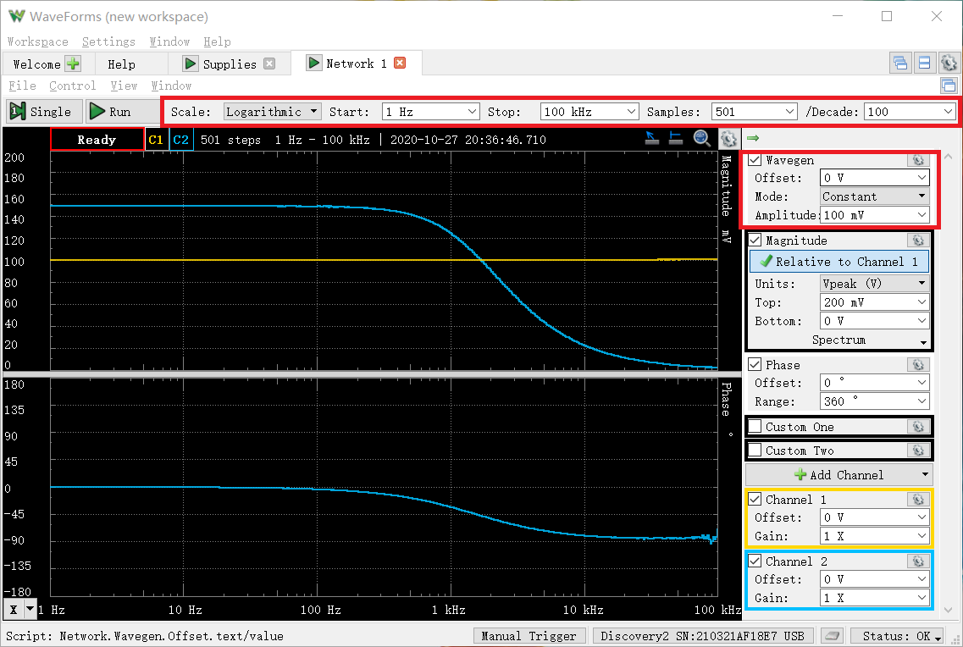
1.0232929923 | 0.15008356074 | -0.051953596501 | 3.5266624961
1.0471285481 | 0.15010944707 | -0.05591507562 | 3.5281605046
1.0715193052 | 0.150107758 | -0.065688058361 | 3.5280627682
1.0964781961 | 0.15008972724 | -0.063756466864 | 3.5270193674
1.1220184543 | 0.15012472642 | -0.051204619739 | 3.5290445795
1.1481536215 | 0.15010902316 | -0.064981986563 | 3.5281359756
1.1748975549 | 0.15008507214 | -0.054916243495 | 3.5267499661
1.2022644346 | 0.15010110119 | -0.052410752225 | 3.5276775676
1.2302687708 | 0.15010904764 | -0.055886078033 | 3.528137392
1.2589254118 | 0.15010815815 | -0.066408529512 | 3.5280859227
1.2882495517 | 0.15011753031 | -0.062705361844 | 3.5286282183
1.3182567386 | 0.15009647547 | -0.08103887472 | 3.5274098871
1.3489628826 | 0.15009750375 | -0.065621778455 | 3.5274693925
1.3803842646 | 0.15008832895 | -0.069841497568 | 3.5269384456
1.4125375446 | 0.15009006446 | -0.067244468197 | 3.5270388825
1.4454397707 | 0.15012725004 | -0.087548887732 | 3.5291905896
1.4791083882 | 0.1500897289 | -0.071478380313 | 3.5270194631
1.5135612484 | 0.15010115873 | -0.07806927669 | 3.5276808975
1.5488166189 | 0.15008946952 | -0.091224870074 | 3.5270044527
1.5848931925 | 0.1500612059 | -0.073181408641 | 3.5253686427
1.6218100974 | 0.15004036331 | -0.096484300967 | 3.5241621417
1.6595869074 | 0.15010333664 | -0.095525053876 | 3.5278069254
1.6982436525 | 0.15012645612 | -0.095005003396 | 3.5291446555
1.7378008287 | 0.15005967061 | -0.090284283065 | 3.5252797765
1.77827941 | 0.15012141037 | -0.10185654901 | 3.5288527181
1.8197008586 | 0.15011563951 | -0.10053066024 | 3.5285188148
1.8620871367 | 0.1500761358 | -0.096713504978 | 3.5262327768
1.905460718 | 0.15010054955 | -0.10648792404 | 3.527645646
1.9498445998 | 0.15011438565 | -0.10217655628 | 3.5284462644
1.995262315 | 0.15009844223 | -0.094524901016 | 3.5275237002
2.0417379447 | 0.15011831345 | -0.12022215144 | 3.528673531
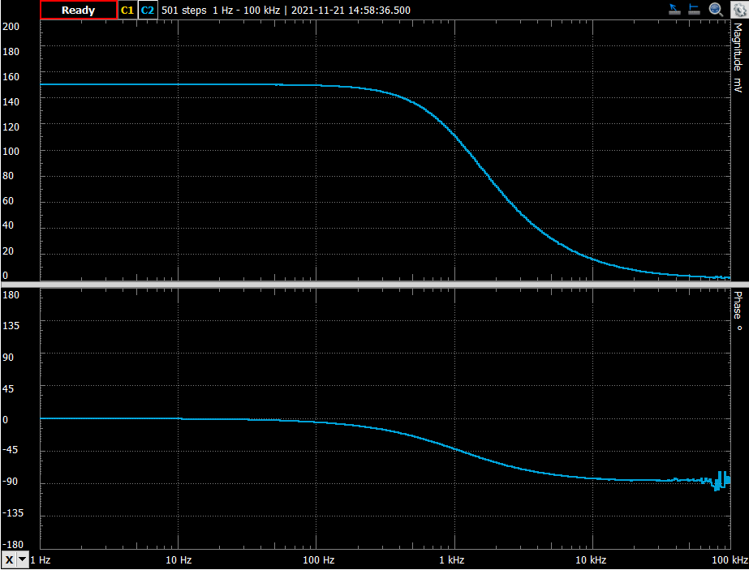
2.0892961309 | 0.15009976095 | -0.11059354119 | 3.5276000114
2.1379620895 | 0.15009639516 | -0.12224580306 | 3.5274052396
2.1877616239 | 0.15007803621 | -0.11910753193 | 3.5263427654
2.2387211386 | 0.15009033585 | -0.12423337713 | 3.5270545881
2.2908676528 | 0.15008160667 | -0.12347023796 | 3.5265494066
2.3442288153 | 0.15008545757 | -0.13365162888 | 3.5267722722
2.398832919 | 0.15008267185 | -0.12428400306 | 3.5266110529
2.4547089157 | 0.15009565825 | -0.12455663721 | 3.5273625955
2.5118864315 | 0.15010622391 | -0.13076182123 | 3.5279739984
2.5703957828 | 0.15009032161 | -0.13546254583 | 3.527053764
2.6302679919 | 0.15008804843 | -0.13994407273 | 3.5269222113
2.6915348039 | 0.1501007048 | -0.14874758942 | 3.5276546297
2.7542287033 | 0.150091946 | -0.13761058008 | 3.5271477688
2.8183829313 | 0.15008698452 | -0.15446370019 | 3.526860641
2.8840315031 | 0.15003406692 | -0.14679148765 | 3.5237976339
2.9512092267 | 0.15010090312 | -0.1539604756 | 3.5276661057
3.0199517204 | 0.15009393642 | -0.15533095592 | 3.5272629544
3.0902954325 | 0.15010152133 | -0.15899402392 | 3.5277018799
3.1622776602 | 0.15010553028 | -0.16058145003 | 3.5279338613
3.2359365693 | 0.15010591435 | -0.16313714709 | 3.5279560857
3.3113112148 | 0.1500918062 | -0.17688404781 | 3.5271396782
3.3884415614 | 0.15008459017 | -0.17486399317 | 3.5267220731
3.4673685045 | 0.15006928156 | -0.18873045504 | 3.5258360682
3.5481338923 | 0.15006830852 | -0.19918441 | 3.525779749
3.6307805477 | 0.15009217683 | -0.19662834583 | 3.527161127
3.715352291 | 0.15007307904 | -0.20227551134 | 3.5260558605
3.8018939632 | 0.1501078613 | -0.20570733467 | 3.5280687454
3.8904514499 | 0.15010262314 | -0.2141715798 | 3.5277656377
3.9810717055 | 0.15008818205 | -0.20774315048 | 3.5269299442
4.073802778 | 0.15008304143 | -0.21786079358 | 3.526632442
4.1686938347 | 0.15008295944 | -0.22361883532 | 3.5266276965
4.265795188 | 0.1500745047 | -0.21587186881 | 3.5261383742
4.3651583224 | 0.1500753559 | -0.22393973977 | 3.5261876389
4.4668359215 | 0.15009694451 | -0.23337483345 | 3.5274370297
4.5708818961 | 0.15007766384 | -0.24870290846 | 3.5263212145
4.6773514129 | 0.15008975881 | -0.24495313987 | 3.5270211941
4.7863009232 | 0.15007049691 | -0.25403682035 | 3.5259064114
4.8977881937 | 0.1500907594 | -0.25650856519 | 3.5270790993
5.0118723363 | 0.15011032669 | -0.26929581773 | 3.5282114024
5.1286138399 | 0.15010505092 | -0.27878749606 | 3.5279061234
5.2480746025 | 0.15009845083 | -0.28442848645 | 3.5275241983
5.3703179637 | 0.15009610837 | -0.28394236175 | 3.5273886435
5.4954087386 | 0.15008669764 | -0.28396999964 | 3.5268440384
5.6234132519 | 0.15007875743 | -0.29699883472 | 3.5263845065
5.7543993734 | 0.15005180472 | -0.30048485438 | 3.5248244635
5.8884365536 | 0.15011862962 | -0.31489452174 | 3.5286918247
6.0255958607 | 0.15006583965 | -0.31287798602 | 3.5256368506
6.1659500186 | 0.15007938893 | -0.32814700954 | 3.5264210551
6.3095734448 | 0.15011380483 | -0.3301139583 | 3.5284126569
6.4565422903 | 0.15010328417 | -0.33831588014 | 3.5278038892
6.6069344801 | 0.15008427576 | -0.34908030634 | 3.526703877
6.7608297539 | 0.1500810883 | -0.35370269673 | 3.526519406
6.9183097092 | 0.15006474003 | -0.3578494517 | 3.5255732038
7.0794578438 | 0.15007830375 | -0.36699065669 | 3.5263582497
7.2443596007 | 0.15006060272 | -0.37706461819 | 3.5253337292
7.413102413 | 0.15007950259 | -0.39425755503 | 3.5264276332
7.5857757503 | 0.15006941739 | -0.40237499682 | 3.52584393
7.7624711663 | 0.15007514096 | -0.40302453557 | 3.5261751987
7.9432823472 | 0.15008743701 | -0.41404610633 | 3.5268868273
8.1283051616 | 0.15008910559 | -0.42151252598 | 3.526983391
8.317637711 | 0.15007156057 | -0.44062154073 | 3.5259679746
8.511380382 | 0.15007885691 | -0.45858326989 | 3.5263902643
8.7096358996 | 0.15010585886 | -0.45411383836 | 3.5279528751
8.9125093813 | 0.15010089883 | -0.47861586146 | 3.5276658576
9.1201083936 | 0.15006757784 | -0.46900440127 | 3.5257374579
9.332543008 | 0.15006164 | -0.49550791164 | 3.5253937693
9.5499258602 | 0.15006535016 | -0.50973950532 | 3.525608519
9.7723722096 | 0.15008903272 | -0.52219494987 | 3.5269791743
10 | 0.15003593239 | -0.52770350383 | 3.5239056304
10.232929923 | 0.15007930586 | -0.53896731601 | 3.5264162473
10.471285481 | 0.15008371876 | -0.55195543363 | 3.5266716413
10.715193052 | 0.15007953522 | -0.57243862882 | 3.5264295213
10.964781961 | 0.15010125203 | -0.56899783122 | 3.527686296
11.220184543 | 0.1500744363 | -0.58878693641 | 3.5261344155
11.481536215 | 0.15007795855 | -0.61289582765 | 3.526338271
11.748975549 | 0.15006859695 | -0.6204426693 | 3.5257964434
12.022644346 | 0.15006938407 | -0.63602369156 | 3.5258420016
12.302687708 | 0.15007509167 | -0.64945425581 | 3.5261723462
12.589254118 | 0.15007020193 | -0.67169780821 | 3.5258893385
12.882495517 | 0.15005105713 | -0.67409047373 | 3.524781189
13.182567386 | 0.15007166238 | -0.69623287862 | 3.5259738671
13.489628826 | 0.15005357688 | -0.71227433204 | 3.5249270466
13.803842646 | 0.15007219796 | -0.73394789141 | 3.5260048652
14.125375446 | 0.15005336159 | -0.74225309552 | 3.5249145841
14.454397707 | 0.15004687744 | -0.76169344409 | 3.5245392389
14.791083882 | 0.15006621224 | -0.77286520828 | 3.5256584167
15.135612484 | 0.15002662342 | -0.79279444422 | 3.5233666983
15.488166189 | 0.15005219215 | -0.81811301429 | 3.5248468904
15.848931925 | 0.15003550485 | -0.83330066126 | 3.523880879
16.218100974 | 0.15004014795 | -0.86004737054 | 3.5241496745
16.595869074 | 0.15004609985 | -0.86806292883 | 3.524494226
16.982436525 | 0.15003348979 | -0.89412655359 | 3.5237642224
17.378008287 | 0.15004422754 | -0.92480808017 | 3.5243858404
17.7827941 | 0.15007381463 | -0.93090788636 | 3.5260984344
18.197008586 | 0.15002994867 | -0.95946338706 | 3.5235592139
18.620871367 | 0.1500585961 | -0.98115708151 | 3.5252175803
19.05460718 | 0.15005752665 | -0.9974232011 | 3.5251556767
19.498445998 | 0.15002802573 | -1.0276053334 | 3.5234478856
19.95262315 | 0.15006690887 | -1.0543848387 | 3.5256987379
20.417379447 | 0.15004793954 | -1.0773408277 | 3.5246007211
20.892961309 | 0.15006034535 | -1.1040766198 | 3.5253188323
21.379620895 | 0.15003319911 | -1.1315615939 | 3.5237473938
21.877616239 | 0.15004016336 | -1.1619728753 | 3.5241505666
22.387211386 | 0.15005738653 | -1.1811659904 | 3.525147566
22.908676528 | 0.15005435873 | -1.2028685906 | 3.5249723036
23.442288153 | 0.15003490465 | -1.2414162261 | 3.5238461324
23.98832919 | 0.15004718962 | -1.2699517953 | 3.5245573103
24.547089157 | 0.15003977387 | -1.2921134909 | 3.5241280185
25.118864315 | 0.1500236731 | -1.321802514 | 3.5231958856
25.703957828 | 0.15002326914 | -1.3592554645 | 3.5231724978
26.302679919 | 0.15003291901 | -1.3816033285 | 3.5237311781
26.915348039 | 0.15001365381 | -1.4140345163 | 3.5226157816
27.542287033 | 0.14999367271 | -1.4439815997 | 3.5214587858
28.183829313 | 0.15002310455 | -1.4744291337 | 3.5231629687
28.840315031 | 0.14999050069 | -1.5106595475 | 3.521275097
29.512092267 | 0.14999601325 | -1.5519492016 | 3.5215943217
30.199517204 | 0.14999456744 | -1.5845710553 | 3.5215105978
30.902954325 | 0.15001683297 | -1.6270260762 | 3.5227998553
31.622776602 | 0.14999850249 | -1.668981569 | 3.5217384658
32.359365693 | 0.14996946442 | -1.7006069443 | 3.5200568101
33.113112148 | 0.14998159467 | -1.7410926944 | 3.5207593377
33.884415614 | 0.15000162513 | -1.7833406472 | 3.5219192851
34.673685045 | 0.15000218559 | -1.8236782165 | 3.5219517391
35.481338923 | 0.14996136206 | -1.8696912841 | 3.5195875269
36.307805477 | 0.14994178208 | -1.903626747 | 3.5184533641
37.15352291 | 0.14995487922 | -1.9469644257 | 3.5192120275
38.018939632 | 0.14996086569 | -1.9858271167 | 3.519558777
38.904514499 | 0.14993350052 | -2.0430155038 | 3.5179736132
39.810717055 | 0.14994368944 | -2.0901377356 | 3.5185638534
40.73802778 | 0.149989953 | -2.134329576 | 3.5212433807
41.686938347 | 0.14997733165 | -2.1982752897 | 3.5205124502
42.65795188 | 0.15000954636 | -2.2418196942 | 3.5223779545
43.651583224 | 0.14986207524 | -2.3315234599 | 3.5138348452
44.668359215 | 0.15007952863 | -2.341743732 | 3.5264291398
45.708818961 | 0.14998668405 | -2.4687715339 | 3.5210540747
46.773514129 | 0.14989925558 | -2.3665518064 | 3.5159895219
47.863009232 | 0.14998391532 | -2.4238992631 | 3.5208937326
48.977881937 | 0.14991267357 | -2.6562419625 | 3.5167669904
50.118723363 | 0.15008733782 | -2.6531202146 | 3.5268810873
51.286138399 | 0.1498089936 | -2.7675396626 | 3.5107577299
52.480746025 | 0.1500640883 | -2.7090095985 | 3.525535481
53.703179637 | 0.1500447876 | -2.7744021121 | 3.5244182619
54.954087386 | 0.14974228396 | -2.9506901188 | 3.5068890595
56.234132519 | 0.14999177071 | -2.9774237189 | 3.5213486432
57.543993734 | 0.14982319919 | -3.0744958744 | 3.5115813274
58.884365536 | 0.14981506125 | -3.0379596395 | 3.5111095235
60.255958607 | 0.14973770714 | -3.1559936464 | 3.5066235739
61.659500186 | 0.14980657418 | -3.2069373588 | 3.5106174512
63.095734448 | 0.14974276141 | -3.3042382872 | 3.5069167538
64.565422903 | 0.14977764226 | -3.382114902 | 3.5089397962
66.069344801 | 0.14974044737 | -3.4534425435 | 3.5067825263
67.608297539 | 0.14976522501 | -3.5272765908 | 3.5082196664
69.183097092 | 0.14973415419 | -3.6125961355 | 3.5064174743
70.794578438 | 0.14970653248 | -3.6936650168 | 3.5048150258
72.443596007 | 0.14969692583 | -3.7793015102 | 3.5042576358
74.13102413 | 0.14967655329 | -3.8714126319 | 3.5030754756
75.857757503 | 0.14966347708 | -3.9555973701 | 3.5023166162
77.624711663 | 0.14959955917 | -4.0468762557 | 3.4986062757
79.432823472 | 0.14961740911 | -4.1505973536 | 3.4996425978
81.283051616 | 0.14960604941 | -4.2407574848 | 3.4989830971
83.17637711 | 0.14957740438 | -4.3330413278 | 3.4973198525
85.11380382 | 0.14955931604 | -4.4523672688 | 3.4962694078
87.096358996 | 0.14951944248 | -4.54083948 | 3.4939533801
89.125093813 | 0.14951704445 | -4.6480185593 | 3.4938140726
91.201083936 | 0.14950804009 | -4.763601338 | 3.4932909668
93.32543008 | 0.14943928706 | -4.8758449557 | 3.4892957397
95.499258602 | 0.1494582739 | -4.9924161501 | 3.4903992453
97.723722096 | 0.1493544068 | -5.0859274473 | 3.4843608256
100 | 0.14936618024 | -5.2288545829 | 3.4850454974
102.32929923 | 0.1493271187 | -5.3311050486 | 3.4827737075
104.71285481 | 0.14933970963 | -5.4655473306 | 3.4835060515
107.15193052 | 0.14932571784 | -5.590536212 | 3.4826922234
109.64781961 | 0.14921653037 | -5.7155002265 | 3.4763387482
112.20184543 | 0.14917682032 | -5.8431336706 | 3.4740269199
114.81536215 | 0.14919263491 | -5.9648561613 | 3.4749476827
117.48975549 | 0.14913733564 | -6.1134479165 | 3.4717276018
120.22644346 | 0.14907536383 | -6.2655725728 | 3.468117559
123.02687708 | 0.1490590853 | -6.4095930927 | 3.4671690371
125.89254118 | 0.14897285425 | -6.5404961693 | 3.4621427747
128.82495517 | 0.1489517058 | -6.684457689 | 3.4609096226
131.82567386 | 0.14890352355 | -6.8529438294 | 3.4580994942
134.89628826 | 0.14882636185 | -6.9961523677 | 3.453597306
138.03842646 | 0.14877750802 | -7.1660529881 | 3.4507456023
141.25375446 | 0.14879227305 | -7.3486948004 | 3.4516075681
144.54397707 | 0.14871400045 | -7.5127776313 | 3.4470371284
147.91083882 | 0.14857668895 | -7.6655064882 | 3.4390135164
151.35612484 | 0.1485635083 | -7.8433215433 | 3.4382429325
154.88166189 | 0.14849352787 | -8.0163577695 | 3.4341505046
158.48931925 | 0.14838936896 | -8.2061782395 | 3.4280557588
162.18100974 | 0.14834452385 | -8.3884647239 | 3.4254303786
165.95869074 | 0.1482625624 | -8.5814111473 | 3.4206300341
169.82436525 | 0.1481767918 | -8.7749506503 | 3.4156037514
173.78008287 | 0.14808277436 | -8.9723497929 | 3.4100908485
177.827941 | 0.14803099402 | -9.1794375276 | 3.4070531085
181.97008586 | 0.14789548547 | -9.3833600877 | 3.3990983463
186.20871367 | 0.14779830879 | -9.6241185242 | 3.3933892918
190.5460718 | 0.14773754512 | -9.8255323426 | 3.3898175661
194.98445998 | 0.1476147502 | -10.049095564 | 3.3825951184
199.5262315 | 0.14749052671 | -10.273054996 | 3.3752825311
204.17379447 | 0.14740321713 | -10.51726547 | 3.3701392452
208.92961309 | 0.14727047841 | -10.757293286 | 3.3623139525
213.79620895 | 0.14716011714 | -10.991661134 | 3.3558024969
218.77616239 | 0.14702334322 | -11.226912271 | 3.3477258821
223.87211386 | 0.1468850787 | -11.478095622 | 3.3395536055
229.08676528 | 0.14673917984 | -11.748792818 | 3.3309217475
234.42288153 | 0.1465618539 | -12.006635232 | 3.320418997
239.8832919 | 0.1464398285 | -12.294617989 | 3.3131842317
245.47089157 | 0.14622041907 | -12.563682682 | 3.3001604851
251.18864315 | 0.14611095043 | -12.854841306 | 3.2936553157
257.03957828 | 0.14592884753 | -13.115522927 | 3.2828230532
263.02679919 | 0.14573101745 | -13.40998743 | 3.2710399404
269.15348039 | 0.14558982652 | -13.716085135 | 3.2626205706
275.42287033 | 0.14538766434 | -14.022100284 | 3.250551193
281.83829313 | 0.14513770616 | -14.330660735 | 3.2356050989
288.40315031 | 0.14493620562 | -14.653439118 | 3.2235377492
295.12092267 | 0.14471845395 | -14.976207827 | 3.2104782846
301.99517204 | 0.1445089633 | -15.317078462 | 3.1978957088
309.02954325 | 0.14427219541 | -15.633756606 | 3.1836528112
316.22776602 | 0.14398109946 | -15.993031543 | 3.1661097117
323.59365693 | 0.14372819816 | -16.345115732 | 3.1508396224
331.13112148 | 0.14347415783 | -16.702143043 | 3.135473684
338.84415614 | 0.1432181748 | -17.040395287 | 3.1199626936
346.73685045 | 0.14290270175 | -17.437612721 | 3.1008087944
354.81338923 | 0.14256641606 | -17.806760419 | 3.0803446424
363.07805477 | 0.14228473509 | -18.190578022 | 3.0631661927
371.5352291 | 0.14189750184 | -18.600540906 | 3.0394949919
380.18939632 | 0.14158517016 | -18.986902408 | 3.0203553418
389.04514499 | 0.14124657883 | -19.392324988 | 2.9995587495
398.10717055 | 0.14083905492 | -19.805659518 | 2.974462043
407.3802778 | 0.14043016085 | -20.228833056 | 2.9492078656
416.86938347 | 0.14007483697 | -20.658469139 | 2.9272025132
426.5795188 | 0.13966374339 | -21.097277977 | 2.9016735639
436.51583224 | 0.13920379385 | -21.558384153 | 2.8730214336
446.68359215 | 0.13877435407 | -21.995600591 | 2.8461842912
457.08818961 | 0.13833052394 | -22.453432051 | 2.8183604376
467.73514129 | 0.13783229566 | -22.933996961 | 2.7870197916
478.63009232 | 0.13734921783 | -23.399693067 | 2.756523811
489.77881937 | 0.13683491911 | -23.874687829 | 2.7239387957
501.18723363 | 0.13633392132 | -24.354811866 | 2.6920785269
512.86138399 | 0.13578379294 | -24.849666624 | 2.6569587191
524.80746025 | 0.13513102366 | -25.361066896 | 2.615101334
537.03179637 | 0.13460314802 | -25.876718332 | 2.5811043409
549.54087386 | 0.13395229471 | -26.403443473 | 2.5390031562
562.34132519 | 0.13340251232 | -26.926777675 | 2.5032801711
575.43993734 | 0.1327429502 | -27.480962293 | 2.4602293114
588.84365536 | 0.13208789504 | -28.00315548 | 2.417260386
602.55958607 | 0.13138054379 | -28.535829476 | 2.3706211017
616.59500186 | 0.13068399287 | -29.083344521 | 2.3244479058
630.95734448 | 0.12996370326 | -29.625973328 | 2.2764415574
645.65422903 | 0.12920944508 | -30.227242206 | 2.2258852264
660.69344801 | 0.12844329725 | -30.752321886 | 2.1742289149
676.08297539 | 0.12765026713 | -31.348154258 | 2.1204345597
691.83097092 | 0.12685516779 | -31.958019372 | 2.0661632817
707.94578438 | 0.12602170483 | -32.53265725 | 2.00890701
724.43596007 | 0.12516823259 | -33.147858857 | 1.9498823983
741.3102413 | 0.12426625153 | -33.74280287 | 1.8870639626
758.57757503 | 0.12343081916 | -34.314083321 | 1.8284722246
776.24711663 | 0.1225329699 | -34.918635604 | 1.7650591973
794.32823472 | 0.12157594854 | -35.563627322 | 1.6969533328
812.83051616 | 0.12060682141 | -36.180966568 | 1.6274374356
831.7637711 | 0.11965974959 | -36.796170167 | 1.558961793
851.1380382 | 0.11860278064 | -37.451031077 | 1.4818974232
870.96358996 | 0.11755910151 | -38.052541652 | 1.4051251632
891.25093813 | 0.11655801574 | -38.663467419 | 1.3308429093
912.01083936 | 0.11550612454 | -39.324858638 | 1.2521002529
933.2543008 | 0.11442383123 | -39.948939154 | 1.1703297016
954.99258602 | 0.1132935373 | -40.597394311 | 1.0841027351
977.23722096 | 0.11215083993 | -41.24832833 | 0.99605060983
1000 | 0.11095841369 | -41.91600455 | 0.90320478502
1023.2929923 | 0.10989093964 | -42.554067307 | 0.81923773814
1047.1285481 | 0.1086793596 | -43.192801071 | 0.722941413
1071.5193052 | 0.10753232786 | -43.829627407 | 0.63078095008
1096.4781961 | 0.10630062806 | -44.526646755 | 0.53071660981
1122.0184543 | 0.10511549582 | -45.136595701 | 0.43333486357
1148.1536215 | 0.10389796408 | -45.804134653 | 0.33214074929
1174.8975549 | 0.10259702599 | -46.44898319 | 0.22269543893
1202.2644346 | 0.10138848105 | -47.124333969 | 0.11977233441
1230.2687708 | 0.10016021313 | -47.759867074 | 0.013904800283
1258.9254118 | 0.098832089668 | -48.420892119 | -0.1020404396
1288.2495517 | 0.097538887743 | -49.050034122 | -0.21644402139
1318.2567386 | 0.096233575315 | -49.692476141 | -0.33346757587
1348.9628826 | 0.09495639085 | -50.353301773 | -0.44951601245
1380.3842646 | 0.093650943803 | -50.959869815 | -0.56975683001
1412.5375446 | 0.09239859886 | -51.649213443 | -0.68669228817
1445.4397707 | 0.091054311708 | -52.22108652 | -0.81398968346
1479.1083882 | 0.08975618146 | -52.857858744 | -0.93871264181
1513.5612484 | 0.088440889298 | -53.474366336 | -1.0669379824
1548.8166189 | 0.087145062849 | -54.132528554 | -1.195144251
1584.8931925 | 0.085779216172 | -54.711793049 | -1.3323585309
1621.8100974 | 0.084481317819 | -55.342842304 | -1.4647864045
1659.5869074 | 0.083129793544 | -55.930750654 | -1.6048659617
1698.2436525 | 0.081895118165 | -56.540804592 | -1.7348397223
1737.8008287 | 0.080530838024 | -57.120528186 | -1.8807556301
1778.27941 | 0.079265046264 | -57.697370338 | -2.0183656512
1819.7008586 | 0.077911986342 | -58.307447956 | -2.1679144661
1862.0871367 | 0.076632273017 | -58.884977962 | -2.3117658498
1905.460718 | 0.075342648441 | -59.435921874 | -2.4591823514
1949.8445998 | 0.074057142364 | -60.026722483 | -2.6086610008
1995.262315 | 0.072742501116 | -60.601288525 | -2.7642354123
2041.7379447 | 0.071497277821 | -61.122063867 | -2.9142098632
2089.2961309 | 0.070227361424 | -61.683325511 | -3.069872971
2137.9620895 | 0.068973880862 | -62.187212493 | -3.2263067491
2187.7616239 | 0.067718562494 | -62.697729069 | -3.3858453904
2238.7211386 | 0.06651079948 | -63.216623294 | -3.5421566357
2290.8676528 | 0.065237065457 | -63.741256948 | -3.7101116591
2344.2288153 | 0.064097708885 | -64.247995929 | -3.8631498735
2398.832919 | 0.062904378477 | -64.764593526 | -4.0263824863
2454.7089157 | 0.061709459273 | -65.209914161 | -4.1929651811
2511.8864315 | 0.060519520527 | -65.711246026 | -4.3620904276
2570.3957828 | 0.059401639687 | -66.155882226 | -4.524031337
2630.2679919 | 0.058235188308 | -66.693634784 | -4.6962903173
2691.5348039 | 0.057109302872 | -67.133561951 | -4.865862824
2754.2287033 | 0.05601354484 | -67.594573549 | -5.0341388391
2818.3829313 | 0.054879548045 | -68.049189515 | -5.2117894774
2884.0315031 | 0.053814350312 | -68.478409389 | -5.3820379698
2951.2092267 | 0.052712401755 | -68.924034974 | -5.5617439081
3019.9517204 | 0.051699039992 | -69.348913192 | -5.7303504263
3090.2954325 | 0.050666823328 | -69.769892952 | -5.9055264788
3162.2776602 | 0.049625026874 | -70.103357051 | -6.0859849008
3235.9365693 | 0.048699553373 | -70.562198335 | -6.2495004342
3311.3112148 | 0.047718864527 | -70.899452329 | -6.4261979788
3388.4415614 | 0.046717108341 | -71.312479411 | -6.6104809336
3467.3685045 | 0.045784923522 | -71.702362365 | -6.7855501382
3548.1338923 | 0.044881231285 | -72.100333961 | -6.9587047406
3630.7805477 | 0.043937066002 | -72.49688536 | -7.1433789491
3715.352291 | 0.043035990705 | -72.772231705 | -7.3233638991
3801.8939632 | 0.042056842133 | -73.129801844 | -7.5232667945
3890.4514499 | 0.041242264339 | -73.529271863 | -7.6931499701
3981.0717055 | 0.040344297952 | -73.841499087 | -7.8843567493
4073.802778 | 0.039510915277 | -74.2042832 | -8.0656581939
4168.6938347 | 0.038676969266 | -74.480219396 | -8.250951293
4265.795188 | 0.037936520466 | -74.832685519 | -8.4188501013
4365.1583224 | 0.037126567175 | -75.103891083 | -8.6063040997
4466.8359215 | 0.03630802875 | -75.388833894 | -8.7999465868
4570.8818961 | 0.035604289421 | -75.678014472 | -8.9699535465
4677.3514129 | 0.034819301927 | -75.969084837 | -9.1635988011
4786.3009232 | 0.034030289142 | -76.259488257 | -9.3626872172
4897.7881937 | 0.033273326196 | -76.463231128 | -9.5580756471
5011.8723363 | 0.032503537679 | -76.739303938 | -9.7613873583
5128.6138399 | 0.03187320106 | -77.120508031 | -9.9314863534
5248.0746025 | 0.031163270043 | -77.364040899 | -10.127139539
5370.3179637 | 0.030479096181 | -77.582182757 | -10.319958312
5495.4087386 | 0.029805769851 | -77.765893323 | -10.513993127
5623.4132519 | 0.029184952602 | -78.111753813 | -10.696820153
5754.3993734 | 0.028455211789 | -78.395094314 | -10.916763553
5888.4365536 | 0.027881224068 | -78.50335405 | -11.093763267
6025.5958607 | 0.027279698774 | -78.816748619 | -11.283208591
6165.9500186 | 0.026641534061 | -79.072438436 | -11.488815429
6309.5734448 | 0.026013861304 | -79.145524274 | -11.695903592
6456.5422903 | 0.025502724035 | -79.459087339 | -11.868268572
6606.9344801 | 0.024939036019 | -79.670231922 | -12.062406751
6760.8297539 | 0.024395796446 | -79.787261986 | -12.253699979
6918.3097092 | 0.023909212098 | -79.967804335 | -12.428694707
7079.4578438 | 0.023342563895 | -80.230838652 | -12.637028875
7244.3596007 | 0.022866654999 | -80.32022674 | -12.815947212
7413.102413 | 0.02231513905 | -80.7271347 | -13.028008053
7585.7757503 | 0.021823610887 | -80.685749202 | -13.221467808
7762.4711663 | 0.021292959186 | -80.995179432 | -13.435279567
7943.2823472 | 0.020807894914 | -81.223246923 | -13.635437082
8128.3051616 | 0.020379325767 | -81.135909089 | -13.816203767
8317.637711 | 0.019973517576 | -81.431868525 | -13.990908879
8511.380382 | 0.01950382893 | -81.733187965 | -14.197602419
8709.6358996 | 0.019091583001 | -81.644962312 | -14.383161201
8912.5093813 | 0.018630199063 | -81.919629501 | -14.595650093
9120.1083936 | 0.01827298107 | -82.035082896 | -14.763811914
9332.543008 | 0.017835613524 | -81.928728737 | -14.974238937
9549.9258602 | 0.017411066192 | -82.289538428 | -15.183492668
9772.3722096 | 0.017014792712 | -82.351889195 | -15.383466749
10000 | 0.016630457006 | -82.533095736 | -15.581916324
10232.929923 | 0.01630316675 | -82.625626486 | -15.754560588
10471.285481 | 0.015918799524 | -82.676467162 | -15.961793732
10715.193052 | 0.015525886888 | -82.88827911 | -16.178871643
10964.781961 | 0.015205062054 | -83.058664912 | -16.360236062
11220.184543 | 0.014843410879 | -82.994226574 | -16.569325814
11481.536215 | 0.014514019717 | -83.052489505 | -16.764245825
11748.975549 | 0.014146806062 | -83.15324558 | -16.986832003
12022.644346 | 0.013860869289 | -83.256280028 | -17.164190639
12302.687708 | 0.013552122054 | -83.672170691 | -17.359853913
12589.254118 | 0.013246911966 | -83.690051179 | -17.557706996
12882.495517 | 0.012933576859 | -83.462116046 | -17.765627035
13182.567386 | 0.012645465471 | -84.195578668 | -17.961303599
13489.628826 | 0.012354642519 | -83.926081308 | -18.163396328
13803.842646 | 0.012073285071 | -84.028443434 | -18.363490896
14125.375446 | 0.011848840969 | -84.144502646 | -18.526482589
14454.397707 | 0.011540332971 | -83.961607447 | -18.755633208
14791.083882 | 0.011247243391 | -84.16254429 | -18.979078132
15135.612484 | 0.010956935209 | -84.514317074 | -19.206218129
15488.166189 | 0.010866264534 | -84.304758909 | -19.278394529
15848.931925 | 0.010433458711 | -84.54050072 | -19.631433965
16218.100974 | 0.010306670665 | -84.676057736 | -19.73763202
16595.869074 | 0.0099606580152 | -84.633435206 | -20.03423941
16982.436525 | 0.009833184741 | -84.620761083 | -20.146116029
17378.008287 | 0.0096493054239 | -84.86917725 | -20.310078938
17782.7941 | 0.009328443193 | -84.437186248 | -20.603816577
18197.008586 | 0.0091130799342 | -84.36808443 | -20.806696407
18620.871367 | 0.0089431778649 | -84.922541023 | -20.970162635
19054.60718 | 0.0088512425266 | -85.512615226 | -21.059915186
19498.445998 | 0.0086194902721 | -84.431305891 | -21.290368323
19952.62315 | 0.0084228674139 | -85.155643715 | -21.490800711
20417.379447 | 0.0083834416082 | -85.140351638 | -21.531553125
20892.961309 | 0.0080120130076 | -84.827930027 | -21.925167086
21379.620895 | 0.0078355942499 | -85.194029706 | -22.118561223
21877.616239 | 0.0075806300439 | -84.713581231 | -22.405893953
22387.211386 | 0.0074043382577 | -84.807516047 | -22.610274986
22908.676528 | 0.007256621962 | -84.62077155 | -22.785310023
23442.288153 | 0.0072037528087 | -84.769522029 | -22.848823962
23988.32919 | 0.0069324077956 | -85.169007882 | -23.182317961
24547.089157 | 0.006802391406 | -84.678913824 | -23.346767652
25118.864315 | 0.006635916388 | -84.915534248 | -23.561981894
25703.957828 | 0.0064692601252 | -84.444451006 | -23.782907716
26302.679919 | 0.0064361651247 | -85.105846592 | -23.827456445
26915.348039 | 0.0062902402697 | -84.83140452 | -24.026655308
27542.287033 | 0.0060707894162 | -84.481245539 | -24.335096634
28183.829313 | 0.0059899335828 | -85.113354303 | -24.451559862
28840.315031 | 0.0058016440799 | -85.226351485 | -24.728978358
29512.092267 | 0.0057947517478 | -85.47386256 | -24.739303297
30199.517204 | 0.0056449810143 | -84.93431657 | -24.966750288
30902.954325 | 0.0054838395932 | -85.288571633 | -25.218305143
31622.776602 | 0.0054174308239 | -85.404652369 | -25.324132511
32359.365693 | 0.005209515801 | -85.598093515 | -25.664052807
33113.112148 | 0.0053922616137 | -85.915098912 | -25.36458091
33884.415614 | 0.0052324909217 | -85.721521401 | -25.62583033
34673.685045 | 0.0051450268668 | -85.369502087 | -25.772247061
35481.338923 | 0.0048213459283 | -84.92399609 | -26.336634141
36307.805477 | 0.0047169242765 | -85.814045232 | -26.526821914
37153.52291 | 0.0047157436027 | -85.731783716 | -26.528996315
38018.939632 | 0.0046207202297 | -84.389302219 | -26.705806517
38904.514499 | 0.0046626580229 | -85.19330239 | -26.627328724
39810.717055 | 0.0044479856657 | -82.951268729 | -27.03673242
40738.02778 | 0.0043494802577 | -83.298001257 | -27.231252722
41686.938347 | 0.0042564929326 | -85.879260215 | -27.418961667
42657.95188 | 0.0040851896182 | -85.44719217 | -27.775755609
43651.583224 | 0.0040509474216 | -84.586329702 | -27.848867872
44668.359215 | 0.0039125637649 | -84.594249338 | -28.15077143
45708.818961 | 0.0039356703115 | -84.457762309 | -28.099625786
46773.514129 | 0.003760257478 | -85.037697217 | -28.495648328
47863.009232 | 0.0038109193321 | -85.136951518 | -28.379404882
48977.881937 | 0.0037431091417 | -83.372551292 | -28.535350191
50118.723363 | 0.0038319988594 | -85.341468767 | -28.331492577
51286.138399 | 0.0035630927061 | -84.411150596 | -28.963457557
52480.746025 | 0.0035960612059 | -84.560879383 | -28.883458501
53703.179637 | 0.0034096325779 | -83.731301421 | -29.345848361
54954.087386 | 0.0034741218905 | -86.148248757 | -29.183098966
56234.132519 | 0.0036117919648 | -85.472440073 | -28.84554545
57543.993734 | 0.0032964868821 | -84.160856873 | -29.638972963
58884.365536 | 0.003332674976 | -84.967533387 | -29.544140789
60255.958607 | 0.0032635646755 | -85.415087068 | -29.726155525
61659.500186 | 0.0034270878191 | -82.211653224 | -29.301495333
63095.734448 | 0.0032047835486 | -89.090201893 | -29.884025949
64565.422903 | 0.0031138205665 | -86.779925953 | -30.134128344
66069.344801 | 0.0028801724446 | -82.481709969 | -30.811630179
67608.297539 | 0.0029467410909 | -85.906580428 | -30.613160417
69183.097092 | 0.0029372133089 | -86.61899941 | -30.641290252
70794.578438 | 0.0028359612223 | -83.563811092 | -30.945994236
72443.596007 | 0.0026459007992 | -88.16126045 | -31.54852885
74131.02413 | 0.0027817953659 | -92.805865603 | -31.113496414
75857.757503 | 0.0024200532236 | -93.991141632 | -32.323501652
77624.711663 | 0.0024890283305 | -99.297138042 | -32.079403203
79432.823472 | 0.0035832302296 | -84.324629594 | -28.914505733
81283.051616 | 0.0025607846364 | -98.596766377 | -31.832538889
83176.37711 | 0.0030698474562 | -73.257346775 | -30.25766409
85113.80382 | 0.0032588758483 | -93.880429085 | -29.738643686
87096.358996 | 0.0021555283591 | -94.847256387 | -33.32892518
89125.093813 | 0.0022504898909 | -94.531953311 | -32.954458671
91201.083936 | 0.0026964914612 | -73.882252156 | -31.384019013
93325.43008 | 0.0026438263091 | -89.082583894 | -31.5553416
95499.258602 | 0.0025452367326 | -80.045916783 | -31.885436354
97723.722096 | 0.0022639314878 | -87.648232886 | -32.902734402
100000 | 0.0028759216778 | -80.833015979 | -30.824458912

Step 2.2
Transfer Function of 2nd-Order Low-Pass Filter
1 | 6.0205770248
1.0230597298 | 6.020576448
1.0466512108 | 6.0205758443
1.070786705 | 6.0205752125
1.0954787571 | 6.0205745511
1.1207402013 | 6.020573859
1.1465841676 | 6.0205731345
1.1730240887 | 6.0205723762
1.2000737073 | 6.0205715826
1.2277470828 | 6.0205707519
1.2560585988 | 6.0205698825
1.2850229708 | 6.0205689725
1.3146552533 | 6.02056802
1.3449708483 | 6.0205670232
1.3759855127 | 6.0205659798
1.4077153669 | 6.0205648877
1.440176903 | 6.0205637448
1.4733869933 | 6.0205625484
1.5073628993 | 6.0205612963
1.5421222805 | 6.0205599858
1.5776832037 | 6.0205586141
1.6140641522 | 6.0205571784
1.6512840355 | 6.0205556758
1.6893621992 | 6.0205541031
1.7283184351 | 6.0205524569
1.7681729913 | 6.020550734
1.8089465828 | 6.0205489308
1.8506604023 | 6.0205470434
1.8933361312 | 6.0205450679
1.9369959509 | 6.0205430003
1.9816625542 | 6.0205408362
2.0273591574 | 6.0205385712
2.0741095118 | 6.0205362005
2.1219379168 | 6.0205337193
2.170869232 | 6.0205311222
2.22092889 | 6.020528404
2.2721429102 | 6.0205255591
2.3245379118 | 6.0205225814
2.3781411281 | 6.0205194647
2.43298042 | 6.0205162027
2.4890842912 | 6.0205127885
2.5464819025 | 6.0205092151
2.6052030873 | 6.0205054749
2.6652783666 | 6.0205015603
2.7267389657 | 6.020497463
2.7896168296 | 6.0204931746
2.8539446401 | 6.0204886861
2.9197558325 | 6.0204839883
2.9870846132 | 6.0204790713
3.0559659774 | 6.0204739249
...
Frequency | db(v(vout)) | ph(v(vout))
Hz | dBV | deg
1 | 6.0205770248 | -0.12264403088 | 1.9999947297
1.0230597298 | 6.020576448 | -0.12547216524 | 1.9999945969
1.0466512108 | 6.0205758443 | -0.12836551534 | 1.9999944579
1.070786705 | 6.0205752125 | -0.13132558502 | 1.9999943124
1.0954787571 | 6.0205745511 | -0.13435391279 | 1.9999941602
1.1207402013 | 6.020573859 | -0.13745207265 | 1.9999940008
1.1465841676 | 6.0205731345 | -0.14062167487 | 1.999993834
1.1730240887 | 6.0205723762 | -0.14386436689 | 1.9999936594
1.2000737073 | 6.0205715826 | -0.14718183409 | 1.9999934766
1.2277470828 | 6.0205707519 | -0.15057580075 | 1.9999932854
1.2560585988 | 6.0205698825 | -0.15404803089 | 1.9999930852
1.2850229708 | 6.0205689725 | -0.15760032922 | 1.9999928756
1.3146552533 | 6.02056802 | -0.16123454204 | 1.9999926563
1.3449708483 | 6.0205670232 | -0.16495255825 | 1.9999924268
1.3759855127 | 6.0205659798 | -0.16875631029 | 1.9999921865
1.4077153669 | 6.0205648877 | -0.17264777516 | 1.9999919351
1.440176903 | 6.0205637448 | -0.17662897544 | 1.9999916719
1.4733869933 | 6.0205625484 | -0.18070198037 | 1.9999913964
1.5073628993 | 6.0205612963 | -0.18486890687 | 1.9999911081
1.5421222805 | 6.0205599858 | -0.1891319207 | 1.9999908064
1.5776832037 | 6.0205586141 | -0.19349323754 | 1.9999904905
1.6140641522 | 6.0205571784 | -0.19795512416 | 1.99999016
1.6512840355 | 6.0205556758 | -0.20251989962 | 1.999989814
1.6893621992 | 6.0205541031 | -0.20718993641 | 1.9999894518
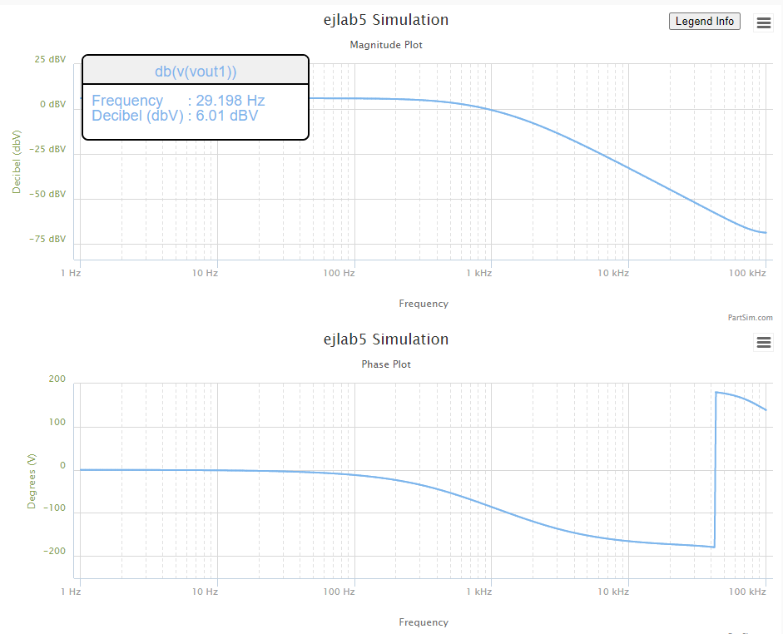
1.7283184351 | 6.0205524569 | -0.21196766176 | 1.9999890728
1.7681729913 | 6.020550734 | -0.21685555884 | 1.9999886761
1.8089465828 | 6.0205489308 | -0.22185616811 | 1.9999882609
1.8506604023 | 6.0205470434 | -0.22697208856 | 1.9999878263
1.8933361312 | 6.0205450679 | -0.23220597913 | 1.9999873714
1.9369959509 | 6.0205430003 | -0.23756056008 | 1.9999868953
1.9816625542 | 6.0205408362 | -0.24303861436 | 1.9999863971
2.0273591574 | 6.0205385712 | -0.24864298911 | 1.9999858755
2.0741095118 | 6.0205362005 | -0.2543765971 | 1.9999853297
2.1219379168 | 6.0205337193 | -0.26024241827 | 1.9999847583
2.170869232 | 6.0205311222 | -0.26624350124 | 1.9999841603
2.22092889 | 6.020528404 | -0.27238296496 | 1.9999835345
2.2721429102 | 6.0205255591 | -0.27866400026 | 1.9999828794
2.3245379118 | 6.0205225814 | -0.28508987154 | 1.9999821937
2.3781411281 | 6.0205194647 | -0.29166391848 | 1.9999814761
2.43298042 | 6.0205162027 | -0.29838955772 | 1.999980725
2.4890842912 | 6.0205127885 | -0.30527028472 | 1.9999799389
2.5464819025 | 6.0205092151 | -0.31230967548 | 1.9999791161
2.6052030873 | 6.0205054749 | -0.31951138849 | 1.9999782549
2.6652783666 | 6.0205015603 | -0.32687916653 | 1.9999773535
2.7267389657 | 6.020497463 | -0.33441683872 | 1.9999764101
2.7896168296 | 6.0204931746 | -0.34212832242 | 1.9999754227
2.8539446401 | 6.0204886861 | -0.3500176253 | 1.9999743892
2.9197558325 | 6.0204839883 | -0.35808884745 | 1.9999733075
2.9870846132 | 6.0204790713 | -0.36634618345 | 1.9999721753
3.0559659774 | 6.0204739249 | -0.37479392459 | 1.9999709903
3.1264357272 | 6.0204685384 | -0.38343646107 | 1.9999697501
3.1985304905 | 6.0204629007 | -0.39227828431 | 1.9999684519
3.2722877395 | 6.0204569999 | -0.40132398926 | 1.9999670933
3.3477458107 | 6.0204508239 | -0.41057827678 | 1.9999656712
3.4249439247 | 6.0204443598 | -0.42004595609 | 1.9999641828
3.5039222063 | 6.0204375941 | -0.42973194728 | 1.999962625
3.5847217058 | 6.0204305128 | -0.43964128383 | 1.9999609945
3.6673844199 | 6.0204231012 | -0.44977911525 | 1.9999592879
3.7519533138 | 6.0204153438 | -0.46015070974 | 1.9999575018
3.8384723436 | 6.0204072246 | -0.47076145691 | 1.9999556323
3.9269864789 | 6.0203987265 | -0.48161687062 | 1.9999536756
4.0175417262 | 6.0203898321 | -0.49272259179 | 1.9999516276
4.110185153 | 6.0203805227 | -0.50408439133 | 1.9999494841
4.2049649122 | 6.0203707791 | -0.51570817319 | 1.9999472406
4.3019302671 | 6.0203605809 | -0.52759997735 | 1.9999448924
4.4011316169 | 6.020349907 | -0.53976598298 | 1.9999424347
4.502620523 | 6.0203387351 | -0.55221251166 | 1.9999398624
4.6064497358 | 6.0203270421 | -0.56494603064 | 1.9999371701
4.7126732222 | 6.0203148036 | -0.57797315618 | 1.9999343522
4.8213461936 | 6.0203019943 | -0.59130065702 | 1.9999314028
4.9325251343 | 6.0202885873 | -0.60493545783 | 1.9999283158
5.0462678313 | 6.020274555 | -0.61888464283 | 1.9999250849
5.1626334042 | 6.0202598681 | -0.63315545949 | 1.9999217032
5.2816823358 | 6.0202444961 | -0.64775532222 | 1.9999181638
5.4034765036 | 6.0202284069 | -0.66269181624 | 1.9999144593
5.528079212 | 6.0202115673 | -0.67797270153 | 1.999910582
5.6555552251 | 6.0201939421 | -0.69360591679 | 1.9999065239
5.7859708007 | 6.0201754948 | -0.70959958362 | 1.9999022764
5.9193937243 | 6.0201561869 | -0.72596201067 | 1.9998978308
6.0558933444 | 6.0201359784 | -0.74270169795 | 1.9998931779
6.1955406089 | 6.0201148272 | -0.75982734122 | 1.9998883079
6.3384081015 | 6.0200926894 | -0.77734783653 | 1.9998832108
6.48457008 | 6.0200695189 | -0.79527228475 | 1.9998778759
6.6341025142 | 6.0200452676 | -0.81360999634 | 1.9998722922
6.7870831259 | 6.020019885 | -0.83237049612 | 1.999866448
6.9435914292 | 6.0199933185 | -0.85156352818 | 1.9998603313
7.1037087717 | 6.0199655127 | -0.87119906097 | 1.9998539292
7.2675183769 | 6.0199364099 | -0.89128729238 | 1.9998472285
7.4351053873 | 6.0199059496 | -0.91183865506 | 1.9998402153
7.6065569088 | 6.0198740685 | -0.93286382175 | 1.999832875
7.7819620562 | 6.0198407003 | -0.95437371082 | 1.9998251924
7.9614119989 | 6.0198057756 | -0.9763794919 | 1.9998171514
8.1450000087 | 6.0197692219 | -0.99889259161 | 1.9998087354
8.3328215085 | 6.0197309632 | -1.0219246995 | 1.9997999269
8.5249741213 | 6.01969092 | -1.0454877739 | 1.9997907075
8.7215577214 | 6.0196490091 | -1.0695940484 | 1.9997810582
8.9226744863 | 6.0196051432 | -1.0942560379 | 1.9997709589
9.1284289494 | 6.0195592314 | -1.119486545 | 1.9997603885
9.3389280549 | 6.0195111782 | -1.1452986667 | 1.9997493252
9.5542812129 | 6.0194608837 | -1.1717058013 | 1.9997377459
9.7746003565 | 6.0194082434 | -1.1987216547 | 1.9997256267
10 | 6.0193531479 | -1.2263602482 | 1.9997129423
10.230597298 | 6.0192954828 | -1.2546359252 | 1.9996996663
10.466512108 | 6.0192351282 | -1.2835633585 | 1.9996857713
10.70786705 | 6.0191719587 | -1.3131575582 | 1.9996712283
10.954787571 | 6.019105843 | -1.343433879 | 1.9996560072
11.207402013 | 6.0190366439 | -1.3744080283 | 1.9996400763
11.465841676 | 6.0189642175 | -1.4060960741 | 1.9996234026
11.730240887 | 6.0188884134 | -1.4385144533 | 1.9996059514
12.000737073 | 6.0188090741 | -1.4716799799 | 1.9995876865
12.277470828 | 6.0187260347 | -1.5056098538 | 1.9995685701
12.560585988 | 6.0186391229 | -1.5403216696 | 1.9995485623
12.850229708 | 6.018548158 | -1.5758334252 | 1.9995276217
13.146552533 | 6.0184529512 | -1.6121635312 | 1.9995057048
13.449708483 | 6.0183533047 | -1.6493308203 | 1.9994827661
13.759855127 | 6.0182490115 | -1.6873545567 | 1.9994587581
14.077153669 | 6.0181398551 | -1.726254446 | 1.9994336309
14.40176903 | 6.0180256089 | -1.7660506451 | 1.9994073323
14.733869933 | 6.0179060355 | -1.8067637723 | 1.9993798079
15.073628993 | 6.0177808867 | -1.8484149179 | 1.9993510005
15.421222805 | 6.0176499028 | -1.8910256546 | 1.9993208503
15.776832037 | 6.0175128117 | -1.9346180485 | 1.9992892949
16.140641522 | 6.0173693289 | -1.9792146705 | 1.9992562688
16.512840355 | 6.0172191567 | -2.0248386068 | 1.9992217035
16.893621992 | 6.0170619832 | -2.0715134712 | 1.9991855274
17.283184351 | 6.0168974824 | -2.1192634169 | 1.9991476654
17.681729913 | 6.0167253128 | -2.1681131478 | 1.9991080392
18.089465828 | 6.0165451172 | -2.2180879318 | 1.9990665666
18.506604023 | 6.0163565218 | -2.2692136127 | 1.9990231616
18.933361312 | 6.0161591354 | -2.3215166233 | 1.9989777344
19.369959509 | 6.0159525484 | -2.3750239982 | 1.9989301909
19.816625542 | 6.0157363325 | -2.4297633876 | 1.9988804326
20.273591574 | 6.0155100393 | -2.4857630704 | 1.9988283565
20.741095118 | 6.0152731994 | -2.5430519687 | 1.9987738548
21.219379168 | 6.0150253219 | -2.6016596614 | 1.9987168147
21.70869232 | 6.014765893 | -2.6616163989 | 1.9986571182
22.2092889 | 6.0144943749 | -2.7229531179 | 1.9985946418
22.721429102 | 6.0142102049 | -2.7857014563 | 1.9985292563
23.245379118 | 6.0139127943 | -2.8498937687 | 1.9984608265
23.781411281 | 6.0136015269 | -2.9155631416 | 1.998389211
24.3298042 | 6.0132757578 | -2.9827434099 | 1.9983142617
24.890842912 | 6.0129348126 | -3.0514691725 | 1.9982358239
...

Step 2.6
...
Frequency | Manitude | Phase
1.7378008287 | 6.0544798276 | -0.17850042974 | 2.0078163728
1.77827941 | 6.0549835408 | -0.17875574403 | 2.0079328137
1.8197008586 | 6.0551776697 | -0.18788933519 | 2.0079776914
1.8620871367 | 6.0534211299 | -0.19075107966 | 2.0075716609
1.905460718 | 6.0545603129 | -0.18926482683 | 2.0078349778
1.9498445998 | 6.0544065153 | -0.19178107142 | 2.0077994261
1.995262315 | 6.0537436383 | -0.19713751595 | 2.0076462037
2.0417379447 | 6.0535096707 | -0.20302590898 | 2.0075921254
2.0892961309 | 6.054620913 | -0.21213778911 | 2.0078489862
2.1379620895 | 6.0534473108 | -0.22188671869 | 2.0075777121
1 | 6.0532722841
1.0232929923 | 6.0538679434
1.0471285481 | 6.0530395355
1.0715193052 | 6.054513721
1.0964781961 | 6.0559073133
1.1220184543 | 6.0537590442
1.1481536215 | 6.0529188329
1.1748975549 | 6.0544944059
1.2022644346 | 6.0550182115
1.2302687708 | 6.0532975822
1.2589254118 | 6.0552139484
1.2882495517 | 6.0552150587
1.3182567386 | 6.0541054869
1.3489628826 | 6.0549489527
1.3803842646 | 6.0547335246
1.4125375446 | 6.0542148593
1.4454397707 | 6.0543789948
1.4791083882 | 6.0547653177
1.5135612484 | 6.0542771355
1.5488166189 | 6.0540415385
1.5848931925 | 6.0531856638
1.6218100974 | 6.0554217861
1.6595869074 | 6.0533622725
1.6982436525 | 6.0546032962
1.7378008287 | 6.0544798276
1.77827941 | 6.0549835408
1.8197008586 | 6.0551776697
1.8620871367 | 6.0534211299
1.905460718 | 6.0545603129
1.9498445998 | 6.0544065153
1.995262315 | 6.0537436383
2.0417379447 | 6.0535096707
2.0892961309 | 6.054620913
2.1379620895 | 6.0534473108
2.1877616239 | 6.0530097195
2.2387211386 | 6.0542461803
2.2908676528 | 6.0540267503
2.3442288153 | 6.0532173784
2.398832919 | 6.0530102675
2.4547089157 | 6.0542973924
2.5118864315 | 6.0550985107
2.5703957828 | 6.0546266812
2.6302679919 | 6.0544798465
2.6915348039 | 6.0543358189
2.7542287033 | 6.0537699916
2.8183829313 | 6.0545101278
2.8840315031 | 6.0533005177
2.9512092267 | 6.0556820973
3.0199517204 | 6.0527636361
3.0902954325 | 6.0550290197
...
2.1877616239 | 6.0530097195 | -0.22014623849 | 2.0074765737
2.2387211386 | 6.0542461803 | -0.22273324723 | 2.007762364
2.2908676528 | 6.0540267503 | -0.23143946007 | 2.0077116429
2.3442288153 | 6.0532173784 | -0.23437931201 | 2.0075245683
2.398832919 | 6.0530102675 | -0.24287437018 | 2.0074767004
2.4547089157 | 6.0542973924 | -0.24518429724 | 2.0077742018
2.5118864315 | 6.0550985107 | -0.25109065757 | 2.0079593917
2.5703957828 | 6.0546266812 | -0.2625909786 | 2.0078503195
2.6302679919 | 6.0544798465 | -0.26646650805 | 2.0078163772
2.6915348039 | 6.0543358189 | -0.26573494903 | 2.0077830843
2.7542287033 | 6.0537699916 | -0.2844244753 | 2.007652295
2.8183829313 | 6.0545101278 | -0.27911794555 | 2.007823377
2.8840315031 | 6.0533005177 | -0.28353143095 | 2.0075437839
2.9512092267 | 6.0556820973 | -0.30149922352 | 2.0080943068
3.0199517204 | 6.0527636361 | -0.30291931522 | 2.0074196999
3.0902954325 | 6.0550290197 | -0.30612152479 | 2.0079433272
3.1622776602 | 6.0546808204 | -0.31575979327 | 2.0078628345
3.2359365693 | 6.0549084669 | -0.3321144385 | 2.0079154588
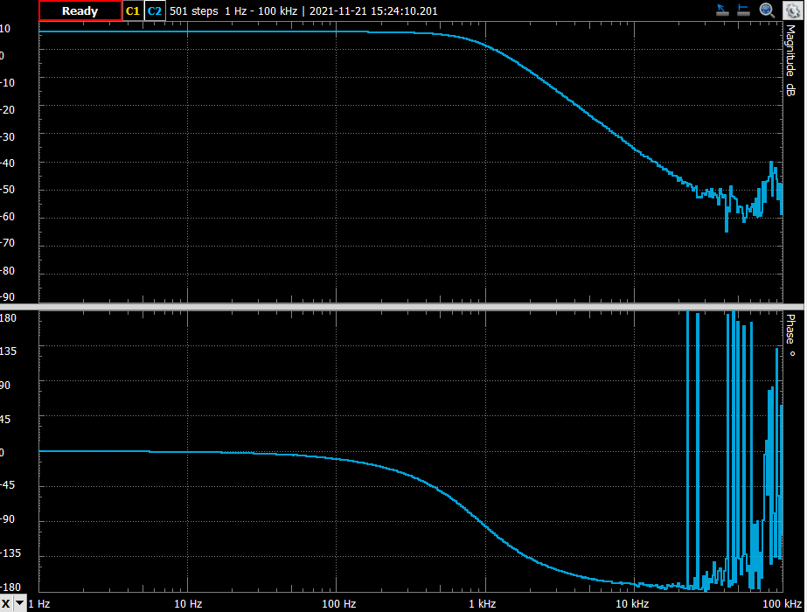
3.3113112148 | 6.0544796013 | -0.32442674012 | 2.0078163205
3.3884415614 | 6.0544433274 | -0.34383628086 | 2.0078079355
3.4673685045 | 6.0542791634 | -0.33815653736 | 2.0077699881
3.5481338923 | 6.0540682047 | -0.35731690412 | 2.007721225
3.6307805477 | 6.0529110389 | -0.36492496849 | 2.0074537669
3.715352291 | 6.0526424171 | -0.37604760107 | 2.0073916849
3.8018939632 | 6.0529454717 | -0.38090913988 | 2.0074617249
3.8904514499 | 6.0538166531 | -0.39264092379 | 2.0076630803
3.9810717055 | 6.0552915491 | -0.39348392671 | 2.0080040178
4.073802778 | 6.053902282 | -0.41343364435 | 2.0076828727
4.1686938347 | 6.0527199716 | -0.4131274551 | 2.0074096085
4.265795188 | 6.0543604079 | -0.42725335794 | 2.0077887681
4.3651583224 | 6.0527717982 | -0.43304345794 | 2.0074215863
4.4668359215 | 6.0527520878 | -0.44663065433 | 2.007417031
4.5708818961 | 6.0544322831 | -0.45773048689 | 2.0078053825
4.6773514129 | 6.0544848161 | -0.46816821153 | 2.0078175259
4.7863009232 | 6.0525574065 | -0.47349579898 | 2.0073720382
4.8977881937 | 6.0531597971 | -0.49298580878 | 2.0075112599
5.0118723363 | 6.053371519 | -0.50453975559 | 2.0075601943
5.1286138399 | 6.0528529112 | -0.51265236514 | 2.0074403326
5.2480746025 | 6.0545129699 | -0.53047274716 | 2.0078240339
5.3703179637 | 6.0539231107 | -0.52925516569 | 2.0076876871
5.4954087386 | 6.0538412765 | -0.54703217353 | 2.0076687718
5.6234132519 | 6.0543980257 | -0.56545551123 | 2.0077974637
5.7543993734 | 6.053765183 | -0.56981669858 | 2.0076511835
5.8884365536 | 6.0524447131 | -0.58640975285 | 2.0073459941
6.0255958607 | 6.0537349141 | -0.60482362968 | 2.0076441872
6.1659500186 | 6.0547388396 | -0.61749208151 | 2.0078762465
6.3095734448 | 6.0522885158 | -0.63497118996 | 2.0073098966
6.4565422903 | 6.0544588062 | -0.65835795826 | 2.0078115135
6.6069344801 | 6.0529065545 | -0.66292858662 | 2.0074527305
6.7608297539 | 6.0533291108 | -0.67481523005 | 2.0075503926
6.9183097092 | 6.0545112174 | -0.68969776382 | 2.0078236288
7.0794578438 | 6.0525139447 | -0.70640210854 | 2.0073619939
7.2443596007 | 6.0531998491 | -0.72336940311 | 2.0075205168
7.413102413 | 6.0524271366 | -0.7286996957 | 2.0073419321
7.5857757503 | 6.0534945765 | -0.75451158003 | 2.0075886367
7.7624711663 | 6.0529583774 | -0.77139365725 | 2.0074647076
7.9432823472 | 6.0538953253 | -0.78596998786 | 2.0076812647
8.1283051616 | 6.055234652 | -0.81353503108 | 2.0079908644
8.317637711 | 6.054464047 | -0.82583692597 | 2.007812725
8.511380382 | 6.0538757568 | -0.85482324263 | 2.0076767416
8.7096358996 | 6.0515114637 | -0.86930300978 | 2.0071303278
8.9125093813 | 6.0527818946 | -0.89072236142 | 2.0074239197
9.1201083936 | 6.0535285847 | -0.91202998598 | 2.0075964971
9.332543008 | 6.0539137172 | -0.92412468453 | 2.0076855159
9.5499258602 | 6.051923331 | -0.95218731845 | 2.0072255041
9.7723722096 | 6.0535304277 | -0.97532786776 | 2.007596923
...

Step 3.2
Frequency | db(v(vout)) | ph(v(vout))
Hz | dBV | deg
1 | -56.432200881 | -90.172814098 | 0.0015079604664 | -6.0205896597
1.0230597298 | -56.234182 | -90.176799138 | 0.0015427334638
1.0466512108 | -56.036163162 | -90.180876072 | 0.0015783083054
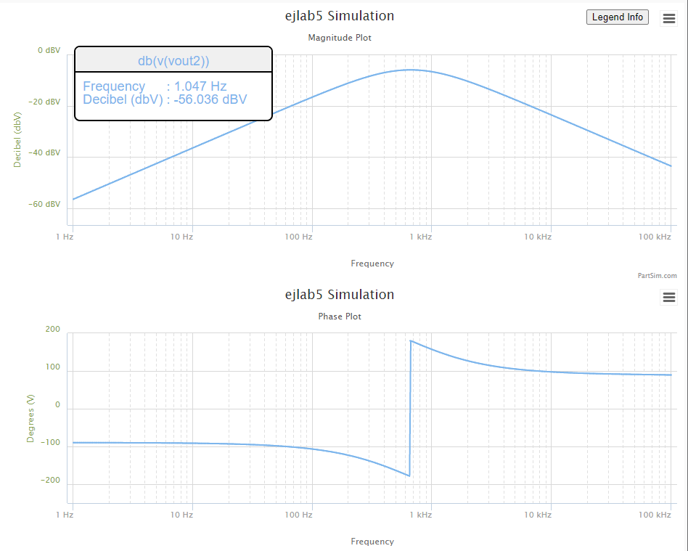
1.070786705 | -55.83814437 | -90.185047018 | 0.0016147034809
1.0954787571 | -55.640125624 | -90.189314145 | 0.0016519379061
1.1207402013 | -55.442106928 | -90.193679669 | 0.0016900309328
1.1465841676 | -55.244088283 | -90.198145861 | 0.0017290023592
1.1730240887 | -55.046069692 | -90.202715042 | 0.0017688724399
1.2000737073 | -54.848051158 | -90.207389586 | 0.0018096618963
1.2277470828 | -54.650032682 | -90.212171923 | 0.001851391928
1.2560585988 | -54.452014269 | -90.217064539 | 0.0018940842228
1.2850229708 | -54.253995921 | -90.222069976 | 0.0019377609691
1.3146552533 | -54.05597764 | -90.227190836 | 0.0019824448663
1.3449708483 | -53.85795943 | -90.232429781 | 0.0020281591375
1.3759855127 | -53.659941295 | -90.237789534 | 0.0020749275412
1.4077153669 | -53.461923237 | -90.24327288 | 0.0021227743835
1.440176903 | -53.263905261 | -90.24888267 | 0.0021717245308
1.4733869933 | -53.065887369 | -90.254621818 | 0.002221803423
1.5073628993 | -52.867869567 | -90.260493309 | 0.0022730370863
1.5421222805 | -52.669851859 | -90.266500193 | 0.0023254521471
1.5776832037 | -52.471834248 | -90.272645592 | 0.0023790758452
1.6140641522 | -52.273816739 | -90.278932701 | 0.0024339360489
1.6512840355 | -52.075799337 | -90.285364788 | 0.0024900612686
1.6893621992 | -51.877782047 | -90.291945195 | 0.002547480672
1.7283184351 | -51.679764874 | -90.298677342 | 0.0026062240992
1.7681729913 | -51.481747824 | -90.305564728 | 0.0026663220781
1.8089465828 | -51.283730902 | -90.312610934 | 0.0027278058403
1.8506604023 | -51.085714115 | -90.319819621 | 0.0027907073375
1.8933361312 | -50.887697468 | -90.327194535 | 0.0028550592576
1.9369959509 | -50.689680969 | -90.33473951 | 0.0029208950422
1.9816625542 | -50.491664623 | -90.342458467 | 0.0029882489036
2.0273591574 | -50.293648439 | -90.350355419 | 0.0030571558427
2.0741095118 | -50.095632424 | -90.358434468 | 0.003127651667
2.1219379168 | -49.897616585 | -90.366699814 | 0.0031997730095
2.170869232 | -49.699600931 | -90.375155753 | 0.0032735573473
2.22092889 | -49.501585471 | -90.383806679 | 0.0033490430214
2.2721429102 | -49.303570213 | -90.392657089 | 0.0034262692562
...

Step 3.6
...
Frequency | Manitude | Phase
1.6982436525 | -49.209345435 | -82.933214865
1.7378008287 | -49.313956345 | -83.593874116
1.77827941 | -48.906042245 | -83.423919054
1.8197008586 | -48.732756781 | -81.887211457
1.8620871367 | -48.820647055 | -84.655328879
1.905460718 | -48.771777504 | -83.213726885
1.9498445998 | -48.098574103 | -84.979310146
1.995262315 | -48.062844634 | -84.242960786
2.0417379447 | -47.924805163 | -84.553402435
2.0892961309 | -47.497507369 | -83.648357725
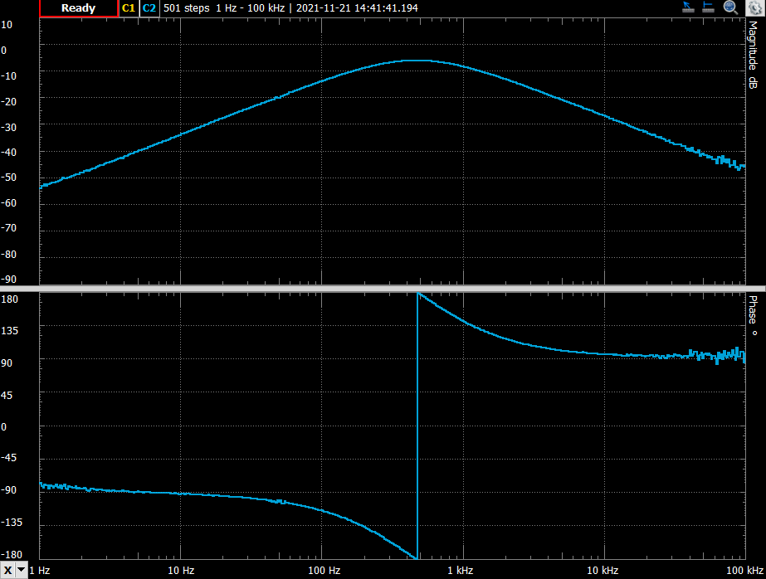
2.1379620895 | -47.46060974 | -84.726085814
2.1877616239 | -47.233456828 | -86.783055613
2.2387211386 | -47.307358752 | -87.670992665
2.2908676528 | -47.221406701 | -87.368197586
2.3442288153 | -46.659467098 | -85.010201661
2.398832919 | -46.628786173 | -85.214887722
2.4547089157 | -46.506213964 | -85.305881168
2.5118864315 | -46.127512385 | -85.74571514
2.5703957828 | -45.746883238 | -86.67110531
2.6302679919 | -45.422109499 | -85.967829188
2.6915348039 | -45.297350905 | -85.504933817
2.7542287033 | -45.147671667 | -85.933968944
2.8183829313 | -45.1339451 | -86.767453312
2.8840315031 | -44.914220524 | -87.101014499
2.9512092267 | -44.720735755 | -86.736105509
3.0199517204 | -44.429004605 | -87.907289338
3.0902954325 | -44.341263257 | -86.706719638
3.1622776602 | -43.95731217 | -87.626417228
3.2359365693 | -43.943409165 | -87.517873029
3.3113112148 | -43.715088551 | -86.568334946
3.3884415614 | -43.694378226 | -87.226773319
3.4673685045 | -43.255969407 | -87.505443417
3.5481338923 | -43.078356305 | -87.919264852
3.6307805477 | -42.792002409 | -87.880243952
3.715352291 | -42.679489313 | -88.026588945
3.8018939632 | -42.506360015 | -87.626394647
3.8904514499 | -42.640433377 | -87.082428939
3.9810717055 | -42.16389571 | -87.550959075
4.073802778 | -41.98805922 | -87.839604703
4.1686938347 | -41.741404411 | -88.1903782
4.265795188 | -41.422203547 | -87.809685289
4.3651583224 | -41.158908629 | -88.969031298
4.4668359215 | -40.960015244 | -89.063438913
4.5708818961 | -40.876033438 | -89.690622558
4.6773514129 | -40.617444024 | -89.744919067
4.7863009232 | -40.411234731 | -88.64546757
4.8977881937 | -40.161700284 | -89.593352679
5.0118723363 | -40.069558451 | -88.47834811
5.1286138399 | -39.739609296 | -89.518123918
5.2480746025 | -39.776547788 | -88.828670566
5.3703179637 | -39.408108646 | -89.522798932
5.4954087386 | -39.347591864 | -89.723288923
5.6234132519 | -39.200710555 | -89.532808548
5.7543993734 | -39.048813001 | -89.178420646
5.8884365536 | -38.488574355 | -89.697979874
6.0255958607 | -38.4147496 | -89.608765728
6.1659500186 | -38.240924109 | -89.966999191
6.3095734448 | -38.11410997 | -90.655181242
...

